Descriptive Summary for Key Var
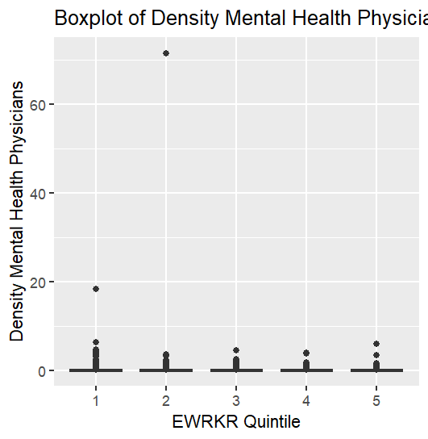
Descriptive Characteristics of Key Neighborhood Indicators
Removed 1016 NA EWRKR_PROP as they have 0 populations or 0 workers | Color Coding: the darker green, the higher evidence that this increases when the proportion of essential workers increases. the darker red, the higher likelihood this decreases. yellow indicates a weaker relationship
 | ** Based off very prelim descriptive analysis
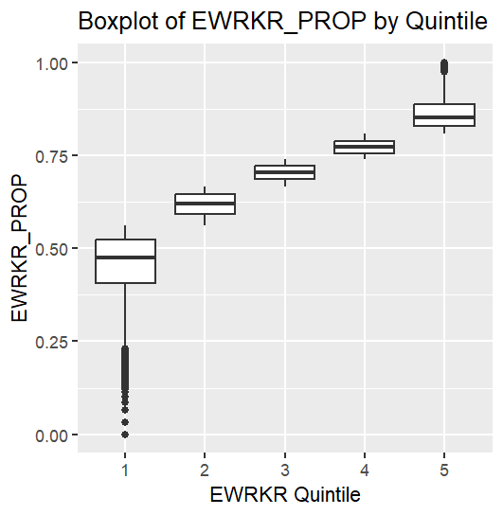
EWRKR_PROP (Response)
EWRKR_quintile mean median sd iqr min max q1 q3
<int> <dbl> <dbl> <dbl> <dbl> <dbl> <dbl> <dbl> <dbl>
1 1 0.454 0.474 0.0859 0.117 0 0.561 0.406 0.523
2 2 0.618 0.620 0.0303 0.0519 0.561 0.667 0.593 0.645
3 3 0.704 0.705 0.0211 0.0366 0.667 0.740 0.686 0.723
4 4 0.773 0.772 0.0195 0.0337 0.740 0.808 0.756 0.789
5 5 0.862 0.853 0.0412 0.0587 0.808 1 0.829 0.887

Relatively intuitive as the distribution should reflect five groups of similar proportion essential workers. There are clear outlying census tracts with distinctly small OR large proportions of essential workers.

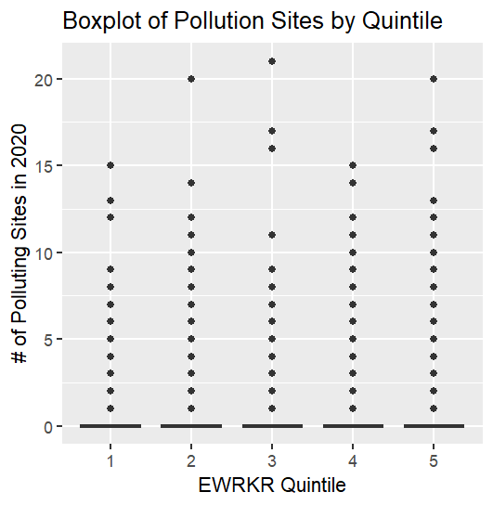
Pollution Sites
EWRKR_quintile mean median sd iqr min max q1 q3
<int> <dbl> <dbl> <dbl> <dbl> <int> <int> <dbl> <dbl>
1 1 0.126 0 0.568 0 0 15 0 0
2 2 0.216 0 0.734 0 0 20 0 0
3 3 0.274 0 0.822 0 0 21 0 0
4 4 0.318 0 0.881 0 0 15 0 0
5 5 0.315 0 0.942 0 0 20 0 0

As proportion of essential workers increases, number of pollution sites generally do as well.

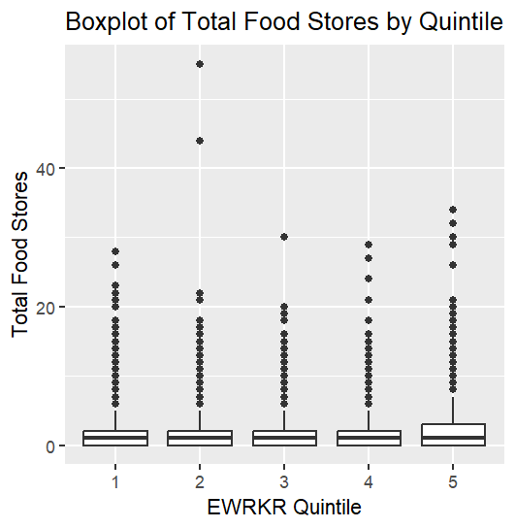
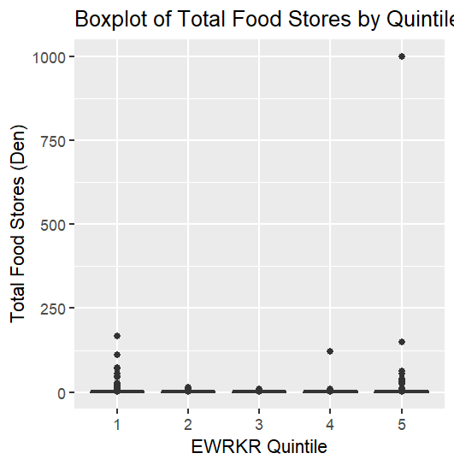
Total Food Stores | density total food stores
EWRKR_quintile mean median sd iqr min max q1 q3 | EWRKR_quintile mean median sd iqr min max q1 q3
<int> <dbl> <dbl> <dbl> <dbl> <int> <int> <dbl> <dbl> | <int> <dbl> <dbl> <dbl> <dbl> <dbl> <dbl> <dbl> <dbl>
1 1 1.39 1 1.94 2 0 28 0 2 | 1 1 0.421 0.209 2.02 0.520 0 167. 0 0.520
2 2 1.29 1 1.79 2 0 55 0 2 | 2 2 0.347 0.205 0.531 0.488 0 15.3 0 0.488
3 3 1.35 1 1.66 2 0 30 0 2 | 3 3 0.365 0.247 0.481 0.528 0 8.30 0 0.528
4 4 1.46 1 1.76 2 0 29 0 2 | 4 4 0.405 0.280 1.06 0.581 0 122. 0 0.581
5 5 1.74 1 2.13 3 0 34 0 3 | 5 5 0.594 0.346 7.85 0.734 0 1000 0 0.734

 | No immediate visible relationship between food store density and prop. EWRKR
 | Is the major Q5 outlier significant

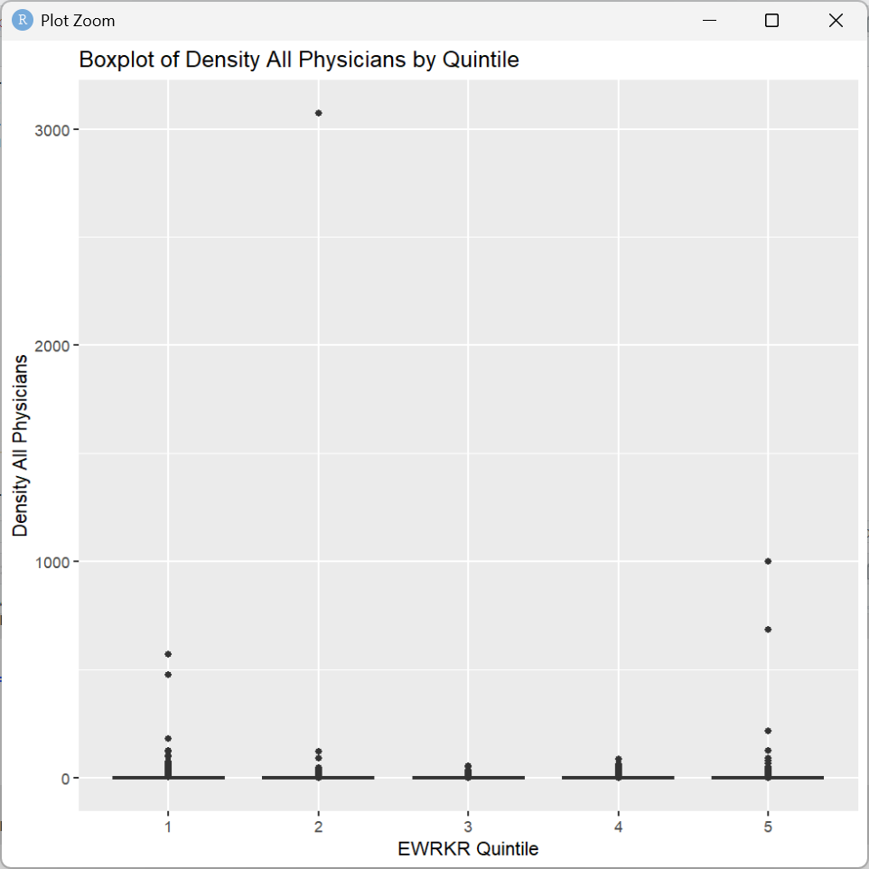
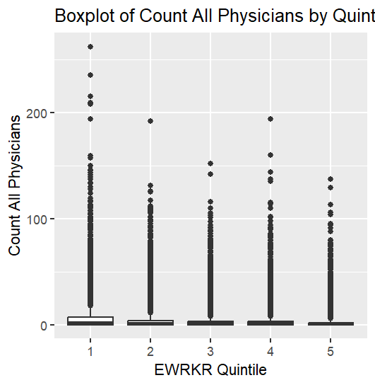
Count All Physicians | density all physicians
EWRKR_quintile mean median sd iqr min max q1 q3 | EWRKR_quintile mean median sd iqr min max q1 q3
<int> <dbl> <dbl> <dbl> <dbl> <int> <int> <dbl> <dbl> | <int> <dbl> <dbl> <dbl> <dbl> <dbl> <dbl> <dbl> <dbl>
1 1 6.51 2 12.8 7 0 262 0 7 | 1 1 1.84 0.585 7.23 1.80 0 571. 0 1.80
2 2 4.43 1 9.47 4 0 192 0 4 | 2 2 1.35 0.338 23.8 1.11 0 3071. 0 1.11
3 3 3.46 1 7.95 3 0 152 0 3 | 3 3 0.909 0.259 2.20 0.845 0 56.3 0 0.845
4 4 2.93 1 7.44 3 0 194 0 3 | 4 4 0.810 0.219 2.36 0.716 0 85.9 0 0.716
5 5 2.45 1 6.31 2 0 137 0 2 | 5 5 0.909 0.159 9.99 0.649 0 1000 0 0.649

 | Generally fewer physicians (all types) in higher ewrkr proportion populations
Count Mental Health Physicians
EWRKR_quintile mean median sd iqr min max q1 q3 | EWRKR_quintile mean median sd iqr min max q1 q3
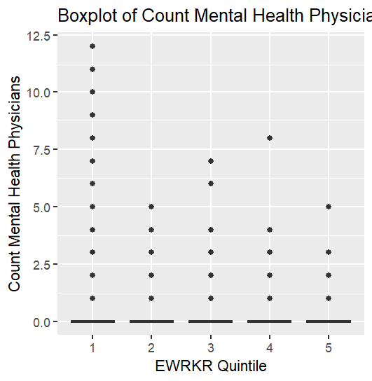
<int> <dbl> <dbl> <dbl> <dbl> <int> <int> <dbl> <dbl> | <int> <dbl> <dbl> <dbl> <dbl> <dbl> <dbl> <dbl> <dbl>
1 1 0.193 0 0.629 0 0 12 0 0 | 1 1 0.0543 0 0.242 0 0 18.3 0 0
2 2 0.0805 0 0.345 0 0 5 0 0 | 2 2 0.0268 0 0.561 0 0 71.4 0 0
3 3 0.0507 0 0.263 0 0 7 0 0 | 3 3 0.0141 0 0.0869 0 0 4.42 0 0
4 4 0.0368 0 0.225 0 0 8 0 0 | 4 4 0.0104 0 0.0766 0 0 3.91 0 0
5 5 0.0274 0 0.187 0 0 5 0 0 | 5 5 0.00906 0 0.0831 0 0 5.99 0 0

 | Inverse relationship (seemingly)

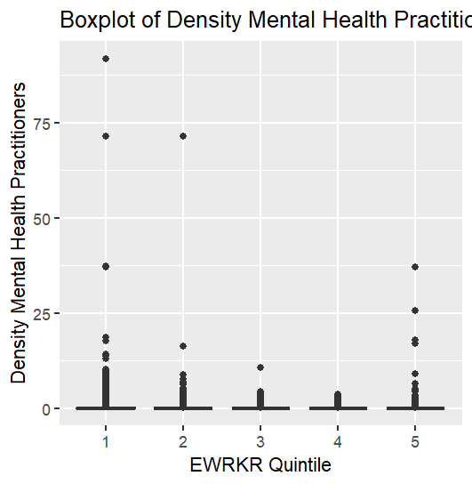
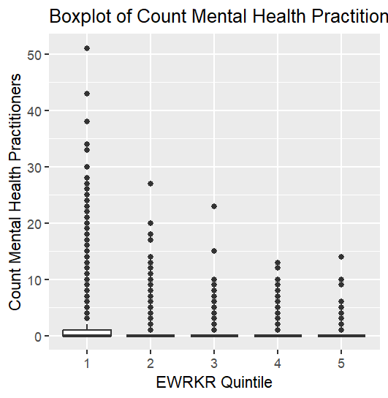
Count Mental Health Practitioners
EWRKR_quintile mean median sd iqr min max q1 q3 | EWRKR_quintile mean median sd iqr min max q1 q3
<int> <dbl> <dbl> <dbl> <dbl> <int> <int> <dbl> <dbl> | <int> <dbl> <dbl> <dbl> <dbl> <dbl> <dbl> <dbl> <dbl>
1 1 0.873 0 2.19 1 0 51 0 1 | 1 1 0.252 0 1.18 0.244 0 91.7 0 0.244
2 2 0.352 0 1.05 0 0 27 0 0 | 2 2 0.102 0 0.657 0 0 71.4 0 0
3 3 0.208 0 0.704 0 0 23 0 0 | 3 3 0.0564 0 0.218 0 0 10.6 0 0
4 4 0.138 0 0.542 0 0 13 0 0 | 4 4 0.0386 0 0.162 0 0 3.54 0 0
5 5 0.0880 0 0.419 0 0 14 0 0 | 5 5 0.0345 0 0.431 0 0 37.0 0 0

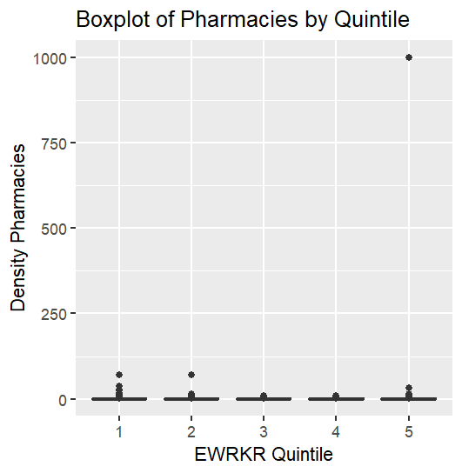
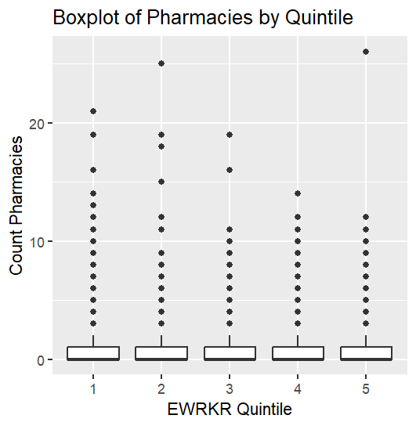
Count Pharmacies
EWRKR_quintile mean median sd iqr min max q1 q3 | EWRKR_quintile mean median sd iqr min max q1 q3
<int> <dbl> <dbl> <dbl> <dbl> <int> <int> <dbl> <dbl> | <int> <dbl> <dbl> <dbl> <dbl> <dbl> <dbl> <dbl> <dbl>
1 1 0.793 0 1.27 1 0 21 0 1 | 1 1 0.221 0 0.799 0.302 0 71.4 0 0.302
2 2 0.690 0 1.13 1 0 25 0 1 | 2 2 0.185 0 0.647 0.271 0 71.4 0 0.271
3 3 0.668 0 1.09 1 0 19 0 1 | 3 3 0.177 0 0.313 0.273 0 8.85 0 0.273
4 4 0.654 0 1.07 1 0 14 0 1 | 4 4 0.179 0 0.320 0.281 0 9.01 0 0.281
5 5 0.618 0 1.07 1 0 26 0 1 | 5 5 0.249 0 7.71 0.278 0 1000 0 0.278

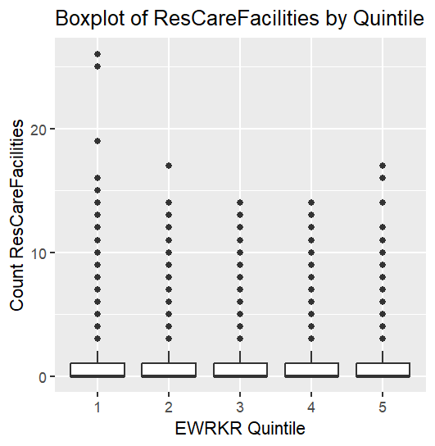
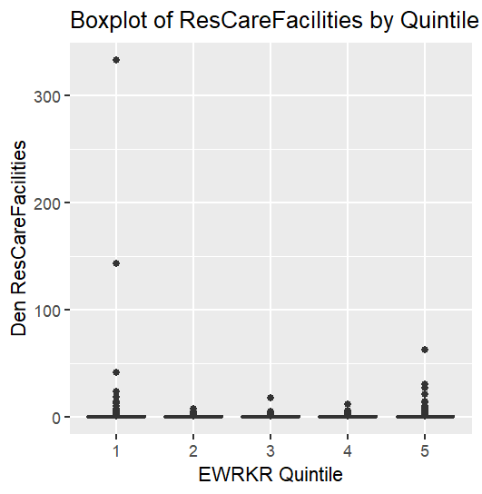
Count Residential Care Facilities
EWRKR_quintile mean median sd iqr min max q1 q3 | EWRKR_quintile mean median sd iqr min max q1 q3
<int> <dbl> <dbl> <dbl> <dbl> <int> <int> <dbl> <dbl> | <int> <dbl> <dbl> <dbl> <dbl> <dbl> <dbl> <dbl> <dbl>
1 1 0.876 0 1.47 1 0 26 0 1 | 1 1 0.267 0 2.86 0.326 0 333. 0 0.326
2 2 0.848 0 1.39 1 0 17 0 1 | 2 2 0.220 0 0.392 0.314 0 7.63 0 0.314
3 3 0.855 0 1.40 1 0 14 0 1 | 3 3 0.226 0 0.405 0.333 0 17.7 0 0.333
4 4 0.797 0 1.34 1 0 14 0 1 | 4 4 0.217 0 0.390 0.319 0 11.7 0 0.319
5 5 0.653 0 1.19 1 0 17 0 1 | 5 5 0.207 0 0.737 0.284 0 62.5 0 0.284

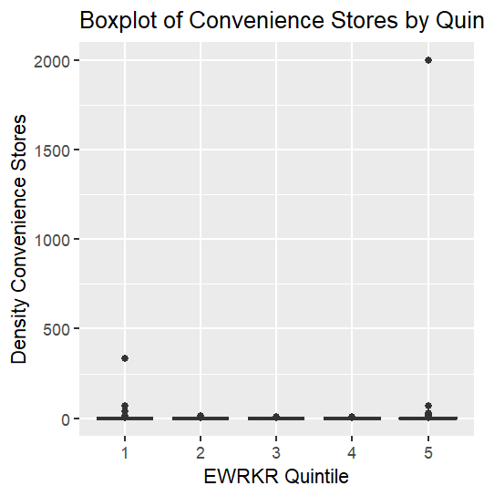
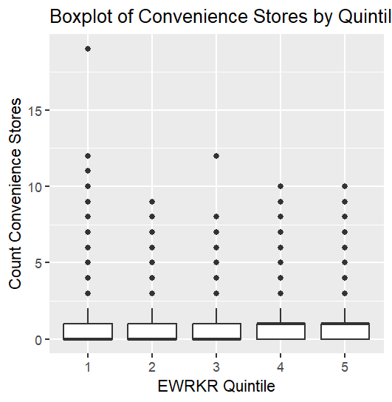
Convenience Stores
EWRKR_quintile mean median sd iqr min max q1 q3 | EWRKR_quintile mean median sd iqr min max q1 q3
<int> <dbl> <dbl> <dbl> <dbl> <int> <int> <dbl> <dbl> | <int> <dbl> <dbl> <dbl> <dbl> <dbl> <dbl> <dbl> <dbl>
1 1 0.486 0 0.839 1 0 19 0 1 | 1 1 0.159 0 2.66 0.211 0 333. 0 0.211
2 2 0.658 0 0.932 1 0 9 0 1 | 2 2 0.173 0 0.297 0.277 0 13.4 0 0.277
3 3 0.770 0 1.01 1 0 12 0 1 | 3 3 0.208 0 0.304 0.328 0 7.07 0 0.328
4 4 0.820 1 1.04 1 0 10 0 1 | 4 4 0.227 0.148 0.317 0.360 0 9.01 0 0.360
5 5 0.855 1 1.10 1 0 10 0 1 | 5 5 0.380 0.152 15.4 0.400 0 2000 0 0.400

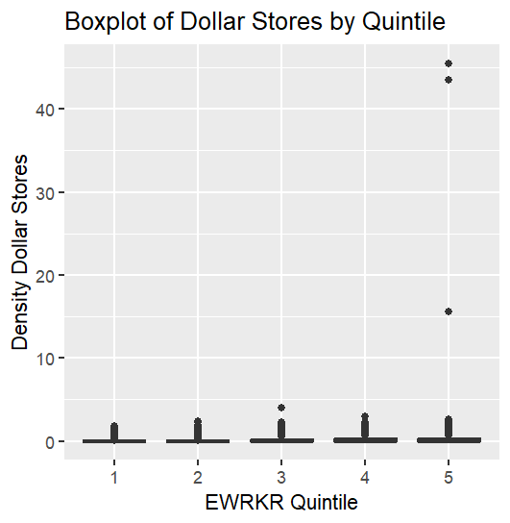
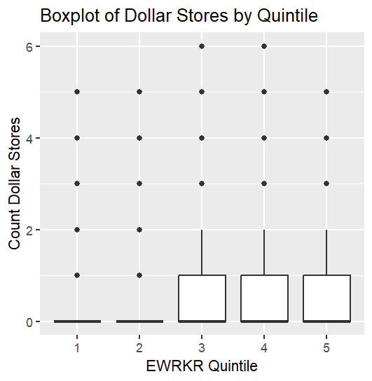
Dollar Stores
EWRKR_quintile mean median sd iqr min max q1 q3 | EWRKR_quintile mean median sd iqr min max q1 q3
<int> <dbl> <dbl> <dbl> <dbl> <int> <int> <dbl> <dbl> | <int> <dbl> <dbl> <dbl> <dbl> <dbl> <dbl> <dbl> <dbl>
1 1 0.105 0 0.351 0 0 5 0 0 | 1 1 0.0280 0 0.103 0 0 1.76 0 0
2 2 0.256 0 0.548 0 0 5 0 0 | 2 2 0.0676 0 0.161 0 0 2.33 0 0
3 3 0.398 0 0.666 1 0 6 0 1 | 3 3 0.108 0 0.199 0.197 0 4.05 0 0.197
4 4 0.509 0 0.741 1 0 6 0 1 | 4 4 0.142 0 0.224 0.256 0 2.96 0 0.256
5 5 0.518 0 0.761 1 0 5 0 1 | 5 5 0.164 0 0.558 0.276 0 45.5 0 0.276

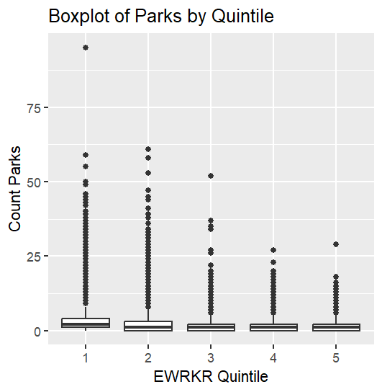
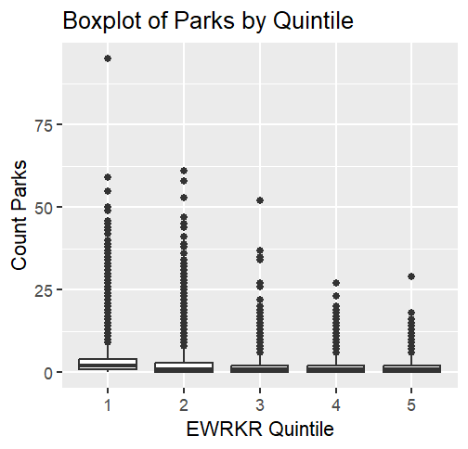
Parks | PROP_PARK_AREA_TRACT
EWRKR_quintile mean median sd iqr min max q1 q3 | EWRKR_quintile mean median sd iqr min max q1 q3
<int> <dbl> <dbl> <dbl> <dbl> <int> <int> <dbl> <dbl> | <int> <dbl> <dbl> <dbl> <dbl> <dbl> <dbl> <dbl> <dbl>
1 1 2.92 2 3.94 3 0 95 1 4 | 1 1 0.0633 0.0203 0.112 0.0690 0 1 0.000854 0.0699
2 2 2.19 1 3.00 3 0 61 0 3 | 2 2 0.0485 0.00880 0.108 0.0440 0 0.969 0 0.0440
3 3 1.75 1 2.35 2 0 52 0 2 | 3 3 0.0378 0.00340 0.0945 0.0301 0 0.985 0 0.0301
4 4 1.56 1 2.08 2 0 27 0 2 | 4 4 0.0330 0.00181 0.0896 0.0240 0 0.984 0 0.0240
5 5 1.44 1 1.76 2 0 29 0 2 | 5 5 0.0305 0.00310 0.0791 0.0254 0 1 0 0.0254

T-Tests
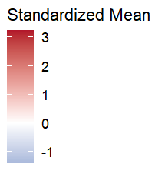
t-tests to compare the neighborhood characteristics in the highest (Q5) vs lowest (Q1) quintile of essential workers
 | Q1 - Q5 | lowest quintile of essential workers - highest quintile
Total Food Stores |  | negative t-value suggests the neighborhood variable is less available in neighborhoods with high proportions of essential workers |  |  |  |  |  |  |  |  | METROPOLITAN RUCA4 == 1
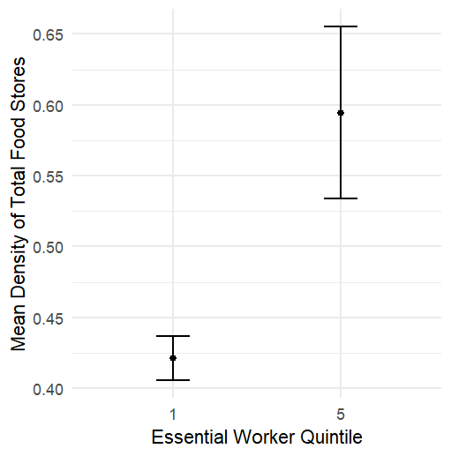
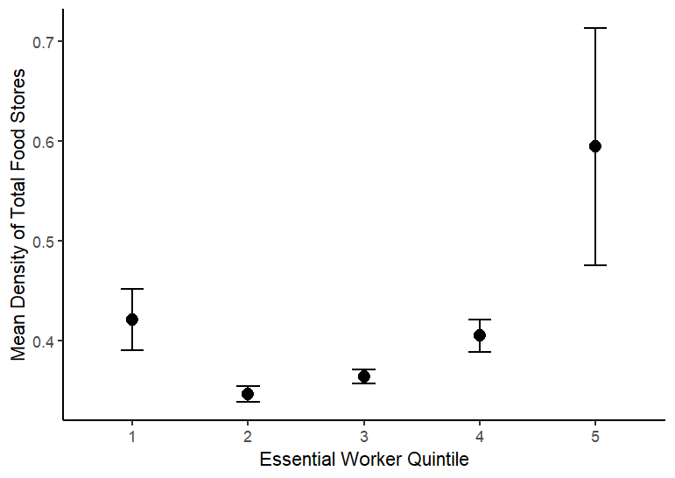
data: count_totalfoodstores by EWRKR_quintile |  |  | data: den_totalfoodstores by EWRKR_quintile |  |  |  | Spearman's rank correlation rho |  |  | Welch Two Sample t-test
t = -15.833, df = 33450, p-value < 2.2e-16 |  |  | t = -2.776, df = 19097, p-value = 0.005508
alternative hypothesis: true difference in means between group 1 and group 5 is not equal to 0 |  |  | alternative hypothesis: true difference in means between group 1 and group 5 is not equal to 0 |  |  |  | data: df_plusgroceries$den_totalfoodstores and df_plusgroceries$EWRKR_quintile |  |  | data: den_totalfoodstores by EWRKR_quintile.x
95 percent confidence interval: |  |  | 95 percent confidence interval: |  |  |  | S = 8.9748e+13, p-value < 2.2e-16 |  |  | t = -2.7216, df = 13953, p-value = 0.006504
-0.3943587 -0.3074770 |  |  | -0.29573352 -0.05094998 |  |  |  | alternative hypothesis: true rho is not equal to 0 |  |  | alternative hypothesis: true difference in means between group 1 and group 5 is not equal to 0
sample estimates: |  |  | sample estimates: |  |  |  | sample estimates: |  |  | 95 percent confidence interval:
mean in group 1 mean in group 5 |  |  | mean in group 1 mean in group 5 |  |  |  | rho |  |  | -0.37784594 -0.06145805
1.387793 1.738710 |  |  | 0.4210996 0.5944414 |  |  |  | 0.1033092 |  |  | sample estimates:
 |  |  |  |  |  |  |  |  |  | mean in group 1 mean in group 5
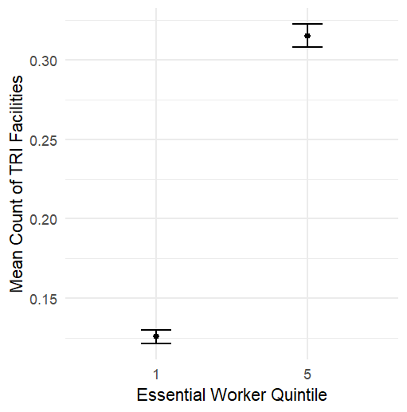
Pollution |  |  |  |  |  |  |  |  |  | 0.4219455 0.6415975

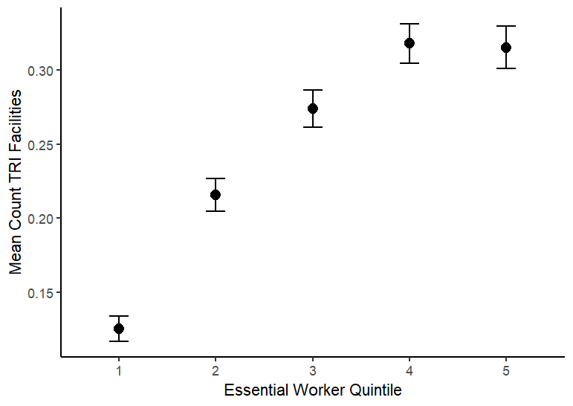
data: COUNT_TRI_FACILITIES by EWRKR_quintile |  |  |  |  |  |  |  |  |  | Welch Two Sample t-test
t = -22.379, df = 27706, p-value < 2.2e-16
alternative hypothesis: true difference in means between group 1 and group 5 is not equal to 0 |  |  |  | Spearman's rank correlation rho |  |  |  |  |  | data: COUNT_TRI_FACILITIES by EWRKR_quintile.x
95 percent confidence interval: |  |  |  |  |  |  |  |  |  | t = -17.149, df = 20094, p-value < 2.2e-16
-0.2061295 -0.1729301 |  |  |  | data: df_pluspollution$COUNT_TRI_FACILITIES and df_pluspollution$EWRKR_quintile |  |  |  |  |  | alternative hypothesis: true difference in means between group 1 and group 5 is not equal to 0
sample estimates: |  |  |  | S = 9.0191e+13, p-value < 2.2e-16 |  |  |  |  |  | 95 percent confidence interval:
mean in group 1 mean in group 5 |  |  |  | alternative hypothesis: true rho is not equal to 0 |  |  |  |  |  | -0.1783906 -0.1417951
0.1256296 0.3151594 |  |  |  | sample estimates: |  |  |  |  |  | sample estimates:
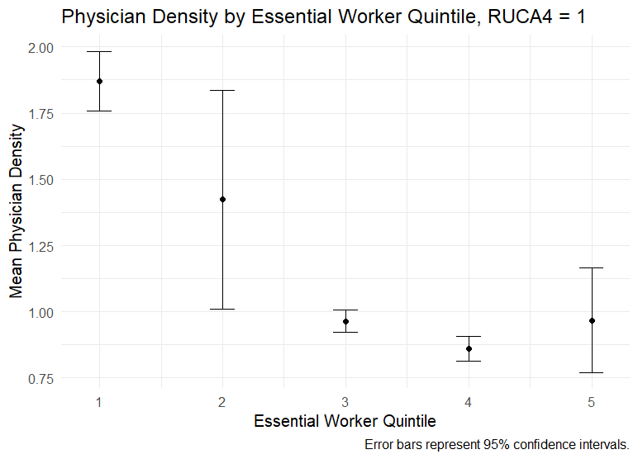
 |  |  |  | rho |  |  |  |  |  | mean in group 1 mean in group 5
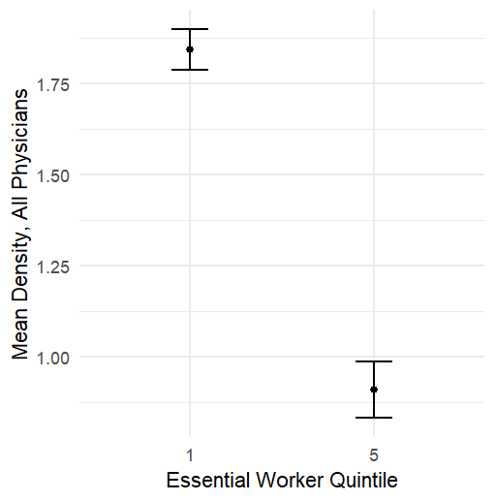
Physicians |  |  |  | 0.09904709 |  |  |  |  |  | 0.1236154 0.2837083
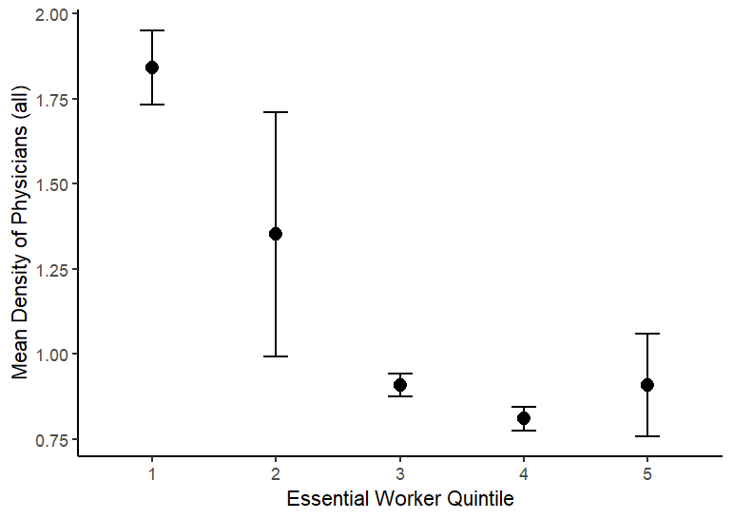
 |  |  |  |  |  |  |  | Spearman's rank correlation rho
data: count_allphysicians by EWRKR_quintile |  |  | data: den_allphysicians by EWRKR_quintile
t = 37.026, df = 24642, p-value < 2.2e-16 |  |  | t = 9.8239, df = 30736, p-value < 2.2e-16 |  |  |  |  | data: df_plushealthservices$den_allphysicians and df_plushealthservices$den_allphysicians |  | data: den_allphysicians by EWRKR_quintile.x
alternative hypothesis: true difference in means between group 1 and group 5 is not equal to 0 |  |  | alternative hypothesis: true difference in means between group 1 and group 5 is not equal to 0 |  |  |  |  | S = 0, p-value < 2.2e-16 |  | t = 7.8148, df = 20936, p-value = 5.762e-15 | EWRKR_quintile.x mean_physician sd_physician n se ci_lower ci_upper
95 percent confidence interval: |  |  | 95 percent confidence interval: |  |  |  |  | alternative hypothesis: true rho is not equal to 0 |  | alternative hypothesis: true difference in means between group 1 and group 5 is not equal to 0 | <int> <dbl> <dbl> <int> <dbl> <dbl> <dbl>
3.845863 4.275802 |  |  | 0.7465235 1.1186609 |  |  |  |  | sample estimates: |  | 95 percent confidence interval: | 1 1 1.87 7.34 16341 0.0574 1.76 1.98
sample estimates: |  |  | sample estimates: |  |  |  |  | rho |  | 0.6767603 1.1298966 | 2 2 1.42 25.5 14686 0.211 1.01 1.84
mean in group 1 mean in group 5 |  |  | mean in group 1 mean in group 5 |  |  |  |  | 1 |  | sample estimates: | 3 3 0.964 2.38 12827 0.0210 0.923 1.01
6.509630 2.448797 |  |  | 1.842010 0.909418 |  |  |  |  |  |  | mean in group 1 mean in group 5 | 4 4 0.861 2.64 11862 0.0242 0.814 0.909
 |  |  |  |  |  |  |  |  |  | 1.8711666 0.9678381 | 5 5 0.968 11.4 12890 0.100 0.771 1.16
Mental Health Physicians

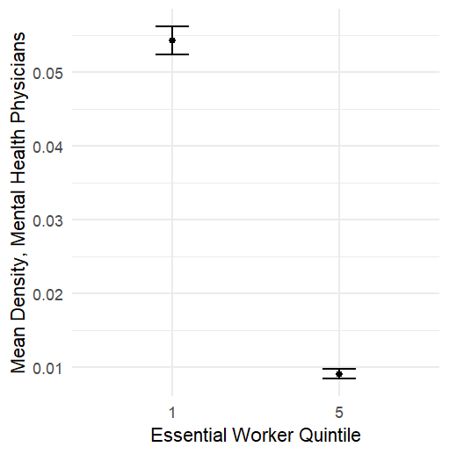
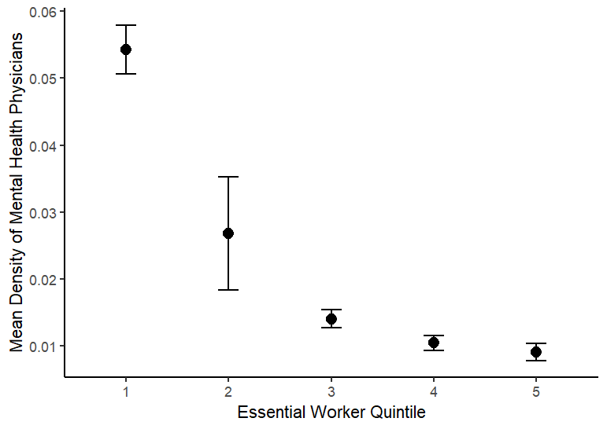
data: count_mentalhealthphys by EWRKR_quintile |  |  | data: den_mentalhealthphys by EWRKR_quintile
t = 32.798, df = 19841, p-value < 2.2e-16 |  |  | t = 22.956, df = 20804, p-value < 2.2e-16
alternative hypothesis: true difference in means between group 1 and group 5 is not equal to 0 |  |  | alternative hypothesis: true difference in means between group 1 and group 5 is not equal to 0
95 percent confidence interval: |  |  | 95 percent confidence interval: |  |  |  | Spearman's rank correlation rho
0.1558969 0.1757147 |  |  | 0.04135638 0.04907801 |  |  |  |  |  |  | data: den_mentalhealthphys by EWRKR_quintile.x
sample estimates: |  |  | sample estimates: |  |  |  | data: df_plushealthservices$den_mentalhealthphys and df_plushealthservices$den_mentalhealthphys |  |  | t = 21.915, df = 21679, p-value < 2.2e-16
mean in group 1 mean in group 5 |  |  | mean in group 1 mean in group 5 |  |  |  | S = 0.011112, p-value < 2.2e-16 |  |  | alternative hypothesis: true difference in means between group 1 and group 5 is not equal to 0
0.19324444 0.02743866 |  |  | 0.054274496 0.009057299 |  |  |  | alternative hypothesis: true rho is not equal to 0 |  |  | 95 percent confidence interval:
 |  |  |  |  |  |  | sample estimates: |  |  | 0.04150902 0.04966367
Mental Health Practitioner |  |  |  |  |  |  | rho |  |  | sample estimates:
 |  |  |  |  |  |  | 1 |  |  | mean in group 1 mean in group 5
data: count_mentalhealthpractitioners by EWRKR_quintile |  |  | data: den_mentalhealthpractitioners by EWRKR_quintile |  |  |  |  |  |  | 0.05565801 0.01007167
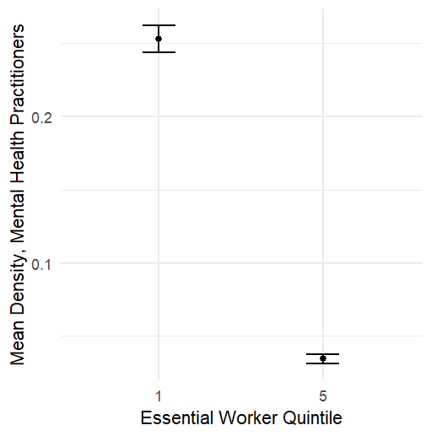
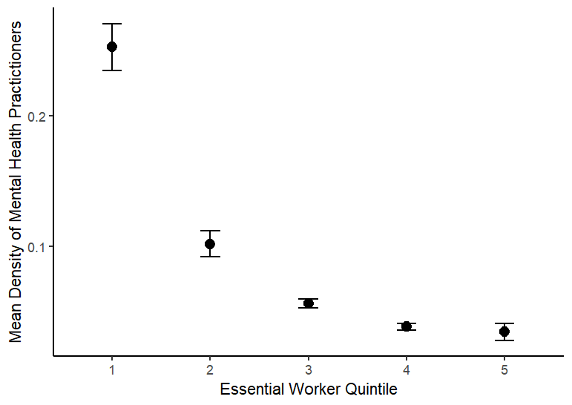
t = 45.776, df = 18110, p-value < 2.2e-16 |  |  | t = 22.488, df = 21273, p-value < 2.2e-16
alternative hypothesis: true difference in means between group 1 and group 5 is not equal to 0 |  |  | alternative hypothesis: true difference in means between group 1 and group 5 is not equal to 0 |  |  |  | Spearman's rank correlation rho |  |  | data: den_mentalhealthpractitioners by EWRKR_quintile.x
95 percent confidence interval: |  |  | 95 percent confidence interval: |  |  |  |  |  |  | t = 21.168, df = 22678, p-value < 2.2e-16
0.7515025 0.8187390 |  |  | 0.1989472 0.2369400 |  |  |  | data: df_plushealthservices$den_mentalhealthpractitioners and df_plushealthservices$den_mentalhealthpractitioners |  |  | alternative hypothesis: true difference in means between group 1 and group 5 is not equal to 0
sample estimates: |  |  | sample estimates: |  |  |  | S = 0, p-value < 2.2e-16 |  |  | 95 percent confidence interval:
mean in group 1 mean in group 5 |  |  | mean in group 1 mean in group 5 |  |  |  | alternative hypothesis: true rho is not equal to 0 |  |  | 0.1985366 0.2390561
0.87312593 0.08800522 |  |  | 0.25247502 0.03453143 |  |  |  | sample estimates: |  |  | sample estimates:
 |  |  |  |  |  |  | rho |  |  | mean in group 1 mean in group 5
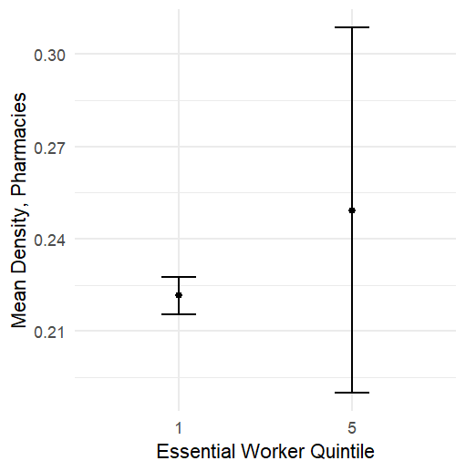
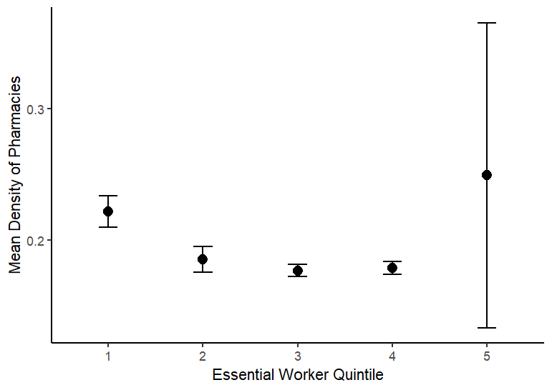
Pharmacies |  |  |  |  |  |  | 1 |  |  | 0.25751412 0.03871775

data: count_pharmacies by EWRKR_quintile |  |  | data: den_pharmacies by EWRKR_quintile |  |  |  |  | Spearman's rank correlation rho |  | data: den_pharmacies by EWRKR_quintile.x
t = 13.704, df = 32856, p-value < 2.2e-16 |  |  | t = -0.46497, df = 17230, p-value = 0.642 |  |  |  |  |  |  | t = -0.52233, df = 13057, p-value = 0.6014
alternative hypothesis: true difference in means between group 1 and group 5 is not equal to 0 |  |  | alternative hypothesis: true difference in means between group 1 and group 5 is not equal to 0 |  |  |  |  | data: df_plushealthservices$den_pharmacies and df_plushealthservices$den_pharmacies |  | alternative hypothesis: true difference in means between group 1 and group 5 is not equal to 0
95 percent confidence interval: |  |  | 95 percent confidence interval: |  |  |  |  | S = 0.011112, p-value < 2.2e-16 |  | 95 percent confidence interval:
0.1500348 0.2001142 |  |  | -0.14476829 0.08925399 |  |  |  |  | alternative hypothesis: true rho is not equal to 0 |  | -0.1935467 0.1120997
sample estimates: |  |  | sample estimates: |  |  |  |  | sample estimates: |  | sample estimates:
mean in group 1 mean in group 5 |  |  | mean in group 1 mean in group 5 |  |  |  |  | rho |  | mean in group 1 mean in group 5
0.7933037 0.6182292 |  |  | 0.2214601 0.2492173 |  |  |  |  | 1 |  | 0.2234499 0.2641734

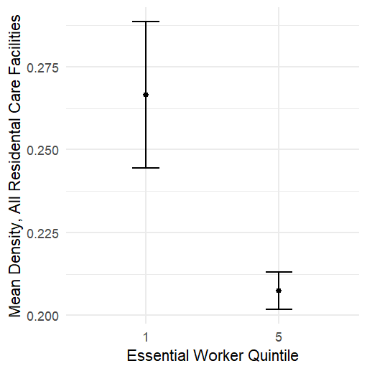
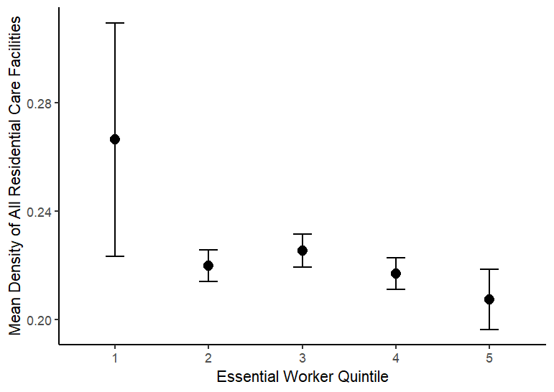
Residential Care Facilities

data: count_allrescarefacilities by EWRKR_quintile |  |  | data: den_allrescarefacilities by EWRKR_quintile |  |  |  |  |  |  | data: den_allrescarefacilities by EWRKR_quintile.x
t = 15.323, df = 32364, p-value < 2.2e-16 |  |  | t = 2.6023, df = 19114, p-value = 0.009266 |  |  |  |  |  |  | t = 2.8389, df = 19560, p-value = 0.004531
alternative hypothesis: true difference in means between group 1 and group 5 is not equal to 0 |  |  | alternative hypothesis: true difference in means between group 1 and group 5 is not equal to 0 |  |  |  |  |  |  | alternative hypothesis: true difference in means between group 1 and group 5 is not equal to 0
95 percent confidence interval: |  |  | 95 percent confidence interval: |  |  |  |  |  |  | 95 percent confidence interval:
0.1946415 0.2517403 |  |  | 0.01458179 0.10358618 |  |  |  |  |  |  | 0.02079855 0.11357331
sample estimates: |  |  | sample estimates: |  |  |  |  |  |  | sample estimates:
mean in group 1 mean in group 5 |  |  | mean in group 1 mean in group 5 |  |  |  |  |  |  | mean in group 1 mean in group 5
0.8764444 0.6532535 |  |  | 0.2665373 0.2074533 |  |  |  |  |  |  | 0.2652087 0.1980227

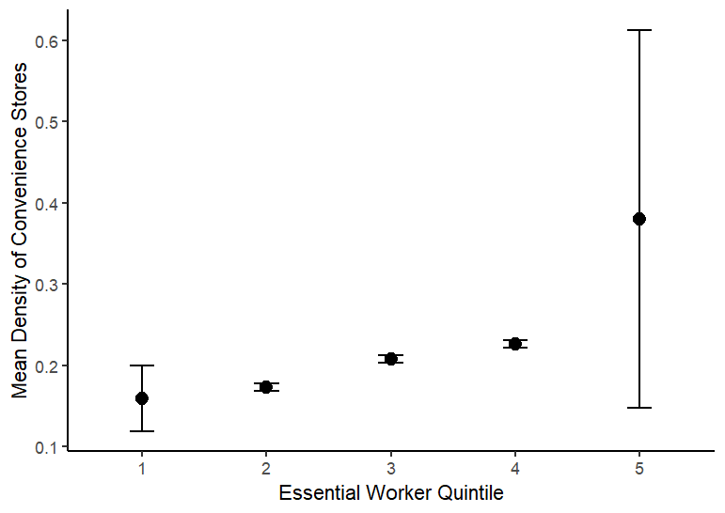
Convenience Stores
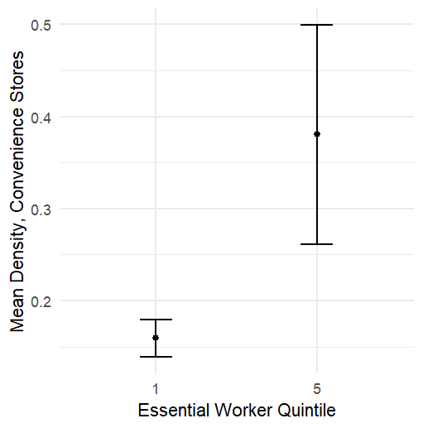
data: count_conveniencestores by EWRKR_quintile |  |  | data: den_conveniencestores by EWRKR_quintile
t = -34.635, df = 31576, p-value < 2.2e-16 |  |  | t = -1.8356, df = 17869, p-value = 0.06644 |  |  |  |  |  |  | data: den_conveniencestores by EWRKR_quintile.x
alternative hypothesis: true difference in means between group 1 and group 5 is not equal to 0 |  |  | alternative hypothesis: true difference in means between group 1 and group 5 is not equal to 0 |  |  |  |  |  |  | t = -1.5471, df = 13363, p-value = 0.1219
95 percent confidence interval: |  |  | 95 percent confidence interval: |  |  |  |  |  |  | alternative hypothesis: true difference in means between group 1 and group 5 is not equal to 0
-0.3891296 -0.3474458 |  |  | -0.45703477 0.01499606 |  |  |  |  |  |  | 95 percent confidence interval:
sample estimates: |  |  | sample estimates: |  |  |  |  |  |  | -0.54973461 0.06474731
mean in group 1 mean in group 5 |  |  | mean in group 1 mean in group 5 |  |  |  |  |  |  | sample estimates:
0.4863407 0.8546284 |  |  | 0.1592776 0.3802970 |  |  |  |  |  |  | mean in group 1 mean in group 5
 |  |  |  |  |  |  |  |  |  | 0.1583890 0.4008826
Dollar Stores
 |  |  |  |  |  |  |  |  |  | data: den_dollarstores by EWRKR_quintile.x
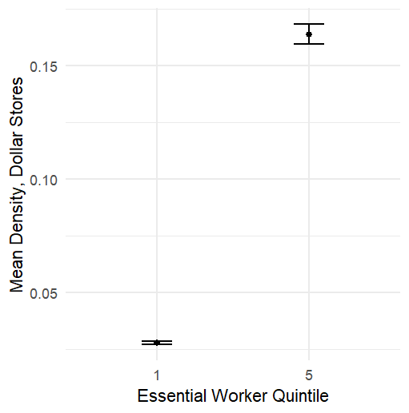
data: count_dollarstores by EWRKR_quintile |  |  | data: den_dollarstores by EWRKR_quintile |  |  |  |  |  |  | t = -27.322, df = 13782, p-value < 2.2e-16
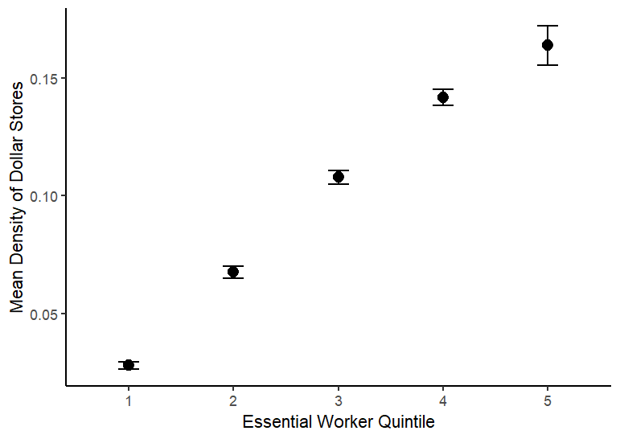
t = -64.01, df = 23745, p-value < 2.2e-16 |  |  | t = -31.074, df = 18024, p-value < 2.2e-16 |  |  |  |  |  |  | alternative hypothesis: true difference in means between group 1 and group 5 is not equal to 0
alternative hypothesis: true difference in means between group 1 and group 5 is not equal to 0 |  |  | alternative hypothesis: true difference in means between group 1 and group 5 is not equal to 0 |  |  |  |  |  |  | 95 percent confidence interval:
95 percent confidence interval: |  |  | 95 percent confidence interval: |  |  |  |  |  |  | -0.1236264 -0.1070751
-0.4256554 -0.4003616 |  |  | -0.1443970 -0.1272615 |  |  |  |  |  |  | sample estimates:
sample estimates: |  |  | sample estimates: |  |  |  |  |  |  | mean in group 1 mean in group 5
mean in group 1 mean in group 5 |  |  | mean in group 1 mean in group 5 |  |  |  |  |  |  | 0.02624313 0.14159387
0.1053630 0.5183715 |  |  | 0.02801354 0.16384278

Parks

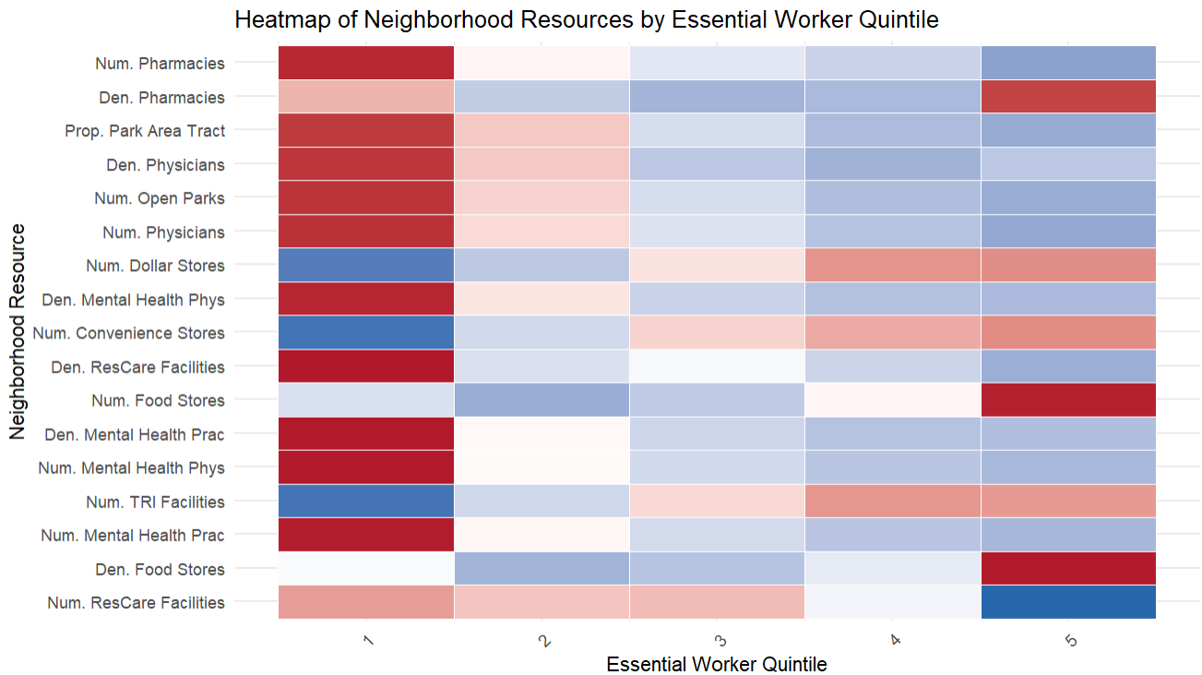
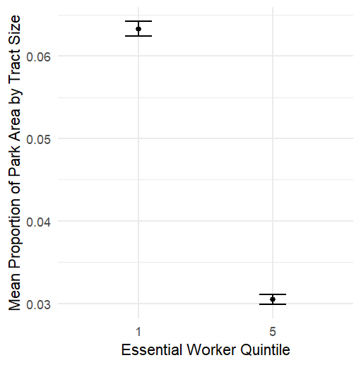
data: COUNT_OPEN_PARKS by EWRKR_quintile |  |  | data: PROP_PARK_AREA_TRACT by EWRKR_quintile
t = 44.663, df = 23355, p-value < 2.2e-16 |  |  | t = 30.861, df = 30187, p-value < 2.2e-16 |  |  |  |  |  |  | data: PROP_PARK_AREA_TRACT by EWRKR_quintile.x
alternative hypothesis: true difference in means between group 1 and group 5 is not equal to 0 |  |  | alternative hypothesis: true difference in means between group 1 and group 5 is not equal to 0 |  |  |  |  |  |  | t = 30.297, df = 28000, p-value < 2.2e-16
95 percent confidence interval: |  |  | 95 percent confidence interval: |  |  |  |  |  |  | alternative hypothesis: true difference in means between group 1 and group 5 is not equal to 0
1.423165 1.553811 |  |  | 0.03074039 0.03490991 |  |  |  |  |  |  | 95 percent confidence interval:
sample estimates: |  |  | sample estimates: |  |  |  |  |  |  | 0.02990063 0.03403701
mean in group 1 mean in group 5 |  |  | mean in group 1 mean in group 5 |  |  |  |  |  | v | sample estimates:
2.923773 1.435285 |  |  | 0.06329856 0.03047341 |  |  |  |  |  |  | mean in group 1 mean in group 5
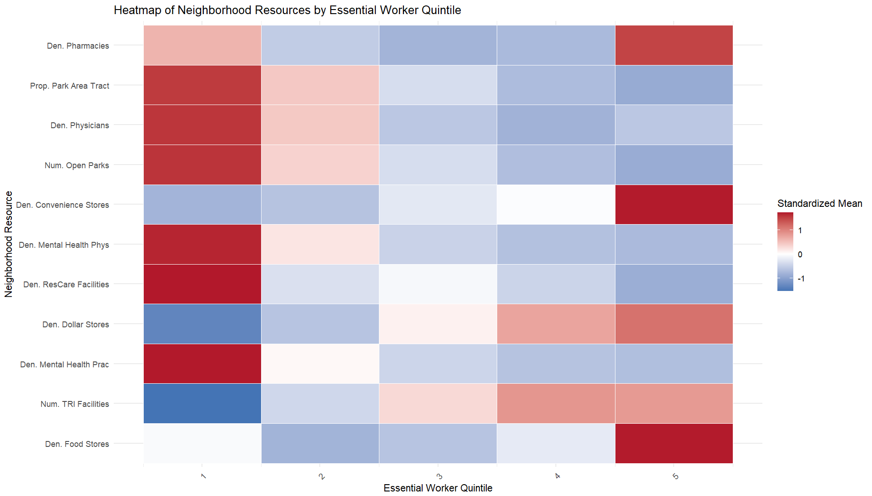
 |  |  |  |  |  |  |  |  |  | 0.06267998 0.03071116

 |  |  |  |  | DENSITY ONLY

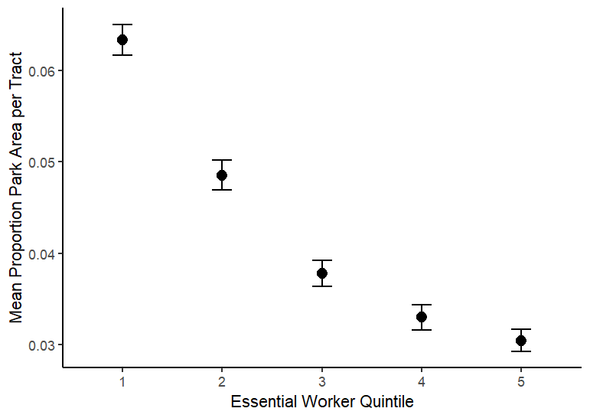

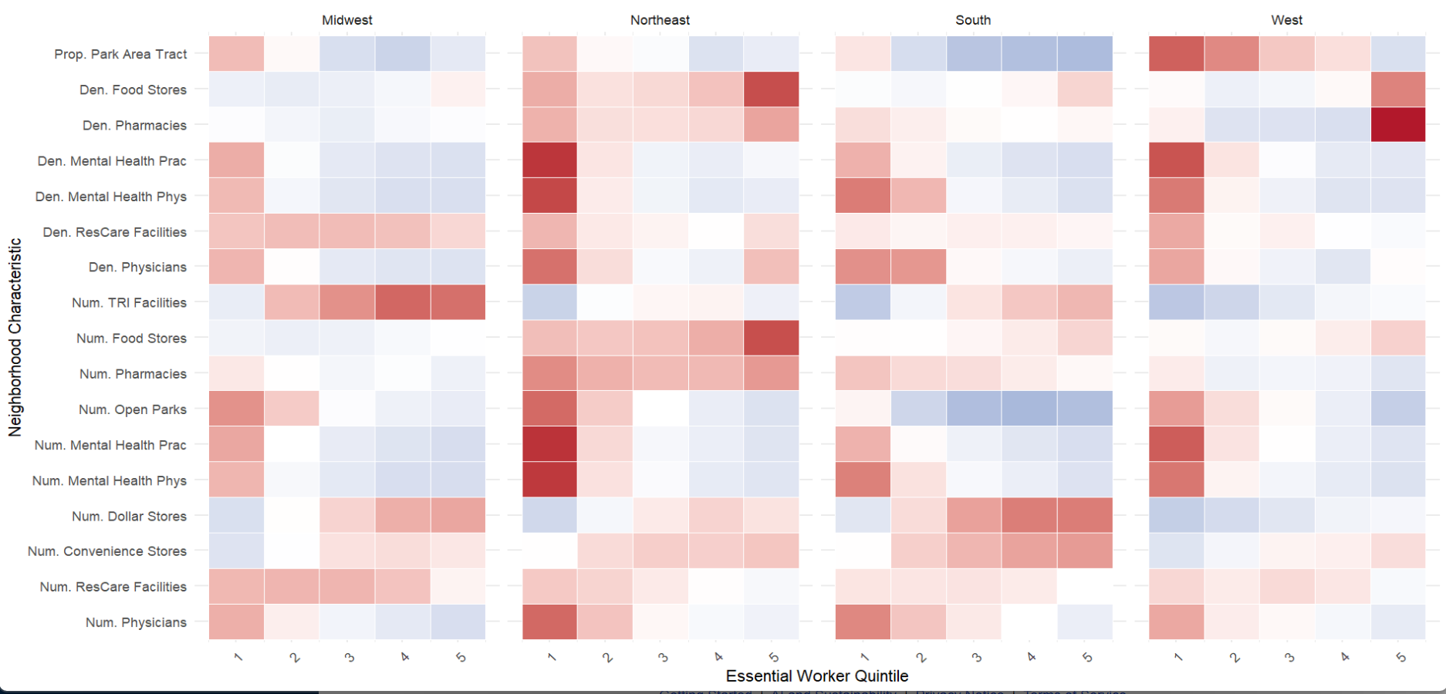

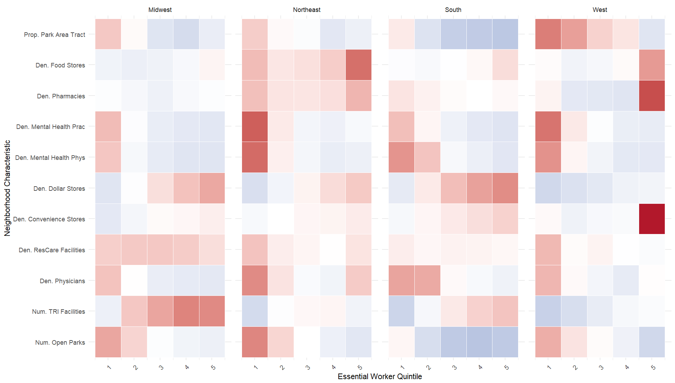

RUCA Codes

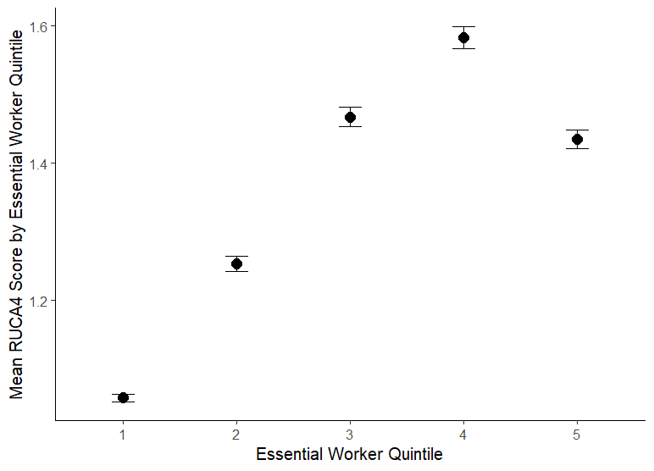
Welch Two Sample t-test
 |  |  |  |  |  | Spearman's rank correlation rho
data: RUCA4 by EWRKR_quintile
t = -50.732, df = 22230, p-value < 2.2e-16 |  |  |  |  |  | data: df_plusrucacodes$RUCA4 and df_plusrucacodes$EWRKR_quintile
alternative hypothesis: true difference in means between group 1 and group 5 is not equal to 0 |  |  |  |  |  | S = 7.9392e+13, p-value < 2.2e-16
95 percent confidence interval: |  |  |  |  |  | alternative hypothesis: true rho is not equal to 0
-0.3912923 -0.3621815 |  |  |  |  |  | sample estimates:
sample estimates: |  |  |  |  |  | rho
mean in group 1 mean in group 5 |  |  |  |  |  | 0.2069197
1.057896 1.434633

pLOS-one R&R edits
Monotone trend test OR t-tests for all adjacent quintile pairs to determine whether signal is concentrated only at the extremes or also startistically consistent across the distribution. Incorporate Q2-Q4

Pollution Sites |  | Pollution Sites Monotonic trend test indicates a trend in TRI Facilities by EWRKR_quintile. Only Q4-Q5 comparison was not statistically significant, but over the entire trend it is. According to Mann-Kendall trend test which was used due to its ability to explain trends for large sample sizes
Mann-Kendall trend test

data: df_pluspollution$COUNT_TRI_FACILITIES[order(df_pluspollution$EWRKR_quintile)]
z = 29.701, n = 84373, p-value < 2.2e-16
alternative hypothesis: true S is not equal to 0
sample estimates:
S varS tau
1.485829e+08 2.502569e+13 8.186288e-02

Q1 vs Q2 |  |  |  |  | Q2 vs Q3 |  |  |  |  | Q3 vs Q4 |  |  |  |  | Q4 vs Q5
data: COUNT_TRI_FACILITIES by EWRKR_quintile |  |  |  |  | data: COUNT_TRI_FACILITIES by EWRKR_quintile |  |  |  |  | data: COUNT_TRI_FACILITIES by EWRKR_quintile |  |  |  |  | data: COUNT_TRI_FACILITIES by EWRKR_quintile
t = -12.597, df = 31745, p-value < 2.2e-16 |  |  |  |  | t = -6.8656, df = 33326, p-value = 6.735e-12 |  |  |  |  | t = -4.7283, df = 33584, p-value = 2.274e-06 |  |  |  |  | t = 0.26253, df = 33597, p-value = 0.7929
alternative hypothesis: true difference in means between group 1 and group 2 is not equal to 0 |  |  |  |  | alternative hypothesis: true difference in means between group 2 and group 3 is not equal to 0 |  |  |  |  | alternative hypothesis: true difference in means between group 3 and group 4 is not equal to 0 |  |  |  |  | alternative hypothesis: true difference in means between group 4 and group 5 is not equal to 0
95 percent confidence interval: |  |  |  |  | 95 percent confidence interval: |  |  |  |  | 95 percent confidence interval: |  |  |  |  | 95 percent confidence interval:
-0.10402084 -0.07600879 |  |  |  |  | -0.07488185 -0.04162186 |  |  |  |  | -0.06205670 -0.02568466 |  |  |  |  | -0.01686037 0.02207550
sample estimates: |  |  |  |  | sample estimates: |  |  |  |  | sample estimates: |  |  |  |  | sample estimates:
mean in group 1 mean in group 2 |  |  |  |  | mean in group 2 mean in group 3 |  |  |  |  | mean in group 3 mean in group 4 |  |  |  |  | mean in group 4 mean in group 5
0.1256296 0.2156444 |  |  |  |  | 0.2156444 0.2738963 |  |  |  |  | 0.2738963 0.3177670 |  |  |  |  | 0.3177670 0.3151594

Total Food Stores
Mann-Kendall trend test

data: .
z = 29.111, n = 84368, p-value < 2.2e-16
alternative hypothesis: true S is not equal to 0
sample estimates:
S varS tau
2.314435e+08 6.320863e+13 7.015102e-02

Q1 vs Q2 |  |  |  |  | Q2 vs Q3 |  |  |  |  | Q3 vs Q4 |  |  |  |  | Q4 vs Q5
data: den_totalfoodstores by EWRKR_quintile |  |  |  |  | data: den_totalfoodstores by EWRKR_quintile |  |  |  |  | data: den_totalfoodstores by EWRKR_quintile |  |  |  |  | data: den_totalfoodstores by EWRKR_quintile
t = 4.5866, df = 19184, p-value = 4.533e-06 |  |  |  |  | t = -3.1393, df = 33432, p-value = 0.001695 |  |  |  |  | t = -4.5445, df = 23564, p-value = 5.533e-06 |  |  |  |  | t = -3.101, df = 17481, p-value = 0.001932
alternative hypothesis: true difference in means between group 1 and group 2 is not equal to 0 |  |  |  |  | alternative hypothesis: true difference in means between group 2 and group 3 is not equal to 0 |  |  |  |  | alternative hypothesis: true difference in means between group 3 and group 4 is not equal to 0 |  |  |  |  | alternative hypothesis: true difference in means between group 4 and group 5 is not equal to 0
95 percent confidence interval: |  |  |  |  | 95 percent confidence interval: |  |  |  |  | 95 percent confidence interval: |  |  |  |  | 95 percent confidence interval:
0.04230009 0.10543381 |  |  |  |  | -0.028126843 -0.006504416 |  |  |  |  | -0.05823483 -0.02313835 |  |  |  |  | -0.30880064 -0.06961232
sample estimates: |  |  |  |  | sample estimates: |  |  |  |  | sample estimates: |  |  |  |  | sample estimates:
mean in group 1 mean in group 2 |  |  |  |  | mean in group 2 mean in group 3 |  |  |  |  | mean in group 3 mean in group 4 |  |  |  |  | mean in group 4 mean in group 5
0.4210996 0.3472327 |  |  |  |  | 0.3472327 0.3645483 |  |  |  |  | 0.3645483 0.4052349 |  |  |  |  | 0.4052349 0.5944414

Physicians
Mann-Kendall trend test

data: .
z = -54.256, n = 84368, p-value < 2.2e-16
alternative hypothesis: true S is not equal to 0
sample estimates:
S varS tau
-4.294471e+08 6.264963e+13 -1.312793e-01

Q1 vs Q2 |  |  |  |  | Q2 vs Q3 |  |  |  |  | Q3 vs Q4 |  |  |  |  | Q4 vs Q5
data: den_allphysicians by EWRKR_quintile |  |  |  |  | data: den_allphysicians by EWRKR_quintile |  |  |  |  | ata: den_allphysicians by EWRKR_quintile |  |  |  |  | data: den_allphysicians by EWRKR_quintile
t = 2.5564, df = 19958, p-value = 0.01058 |  |  |  |  | t = 2.4064, df = 17163, p-value = 0.01612 |  |  |  |  | t = 3.9837, df = 33589, p-value = 6.801e-05 |  |  |  |  | t = -1.2557, df = 18746, p-value = 0.2092
alternative hypothesis: true difference in means between group 1 and group 2 is not equal to 0 |  |  |  |  | alternative hypothesis: true difference in means between group 2 and group 3 is not equal to 0 |  |  |  |  | alternative hypothesis: true difference in means between group 3 and group 4 is not equal to 0 |  |  |  |  | alternative hypothesis: true difference in means between group 4 and group 5 is not equal to 0
95 percent confidence interval: |  |  |  |  | 95 percent confidence interval: |  |  |  |  | 95 percent confidence interval: |  |  |  |  | 95 percent confidence interval:
0.1142393 0.8652669 |  |  |  |  | 0.08216827 0.80388458 |  |  |  |  | 0.05031033 0.14776940 |  |  |  |  | -0.25411875 0.05566435
sample estimates: |  |  |  |  | sample estimates: |  |  |  |  | sample estimates: |  |  |  |  | sample estimates:
mean in group 1 mean in group 2 |  |  |  |  | mean in group 2 mean in group 3 |  |  |  |  | mean in group 3 mean in group 4 |  |  |  |  | mean in group 4 mean in group 5
1.842010 1.352257 |  |  |  |  | 1.3522571 0.9092306 |  |  |  |  | 0.9092306 0.8101908 |  |  |  |  | 0.8101908 0.9094180

Mental Health Physicians
Mann-Kendall trend test

data: .
z = -42.479, n = 84368, p-value < 2.2e-16
alternative hypothesis: true S is not equal to 0
sample estimates:
S varS tau
-1.411682e+08 1.104394e+13 -1.176695e-01

Q1 vs Q2 |  |  |  |  | Q2 vs Q3 |  |  |  |  | Q3 vs Q4 |  |  |  |  | Q4 vs Q5
data: den_mentalhealthphys by EWRKR_quintile |  |  |  |  | data: den_mentalhealthphys by EWRKR_quintile |  |  |  |  | data: den_mentalhealthphys by EWRKR_quintile |  |  |  |  | data: den_mentalhealthphys by EWRKR_quintile
t = 5.8396, df = 22934, p-value = 5.302e-09 |  |  |  |  | t = 2.9121, df = 17683, p-value = 0.003595 |  |  |  |  | t = 4.0657, df = 33224, p-value = 4.799e-05 |  |  |  |  | t = 1.5737, df = 33518, p-value = 0.1156
alternative hypothesis: true difference in means between group 1 and group 2 is not equal to 0 |  |  |  |  | alternative hypothesis: true difference in means between group 2 and group 3 is not equal to 0 |  |  |  |  | alternative hypothesis: true difference in means between group 3 and group 4 is not equal to 0 |  |  |  |  | alternative hypothesis: true difference in means between group 4 and group 5 is not equal to 0
95 percent confidence interval: |  |  |  |  | 95 percent confidence interval: |  |  |  |  | 95 percent confidence interval: |  |  |  |  | 95 percent confidence interval:
0.01825883 0.03670855 |  |  |  |  | 0.004163465 0.021308713 |  |  |  |  | 0.001878723 0.005376271 |  |  |  |  | -0.000336313 0.003076150
sample estimates: |  |  |  |  | sample estimates: |  |  |  |  | sample estimates: |  |  |  |  | sample estimates:
mean in group 1 mean in group 2 |  |  |  |  | mean in group 2 mean in group 3 |  |  |  |  | mean in group 3 mean in group 4 |  |  |  |  | mean in group 4 mean in group 5
0.0542745 0.0267908 |  |  |  |  | 0.02679080 0.01405471 |  |  |  |  | 0.01405471 0.01042722 |  |  |  |  | 0.010427218 0.009057299

Mental Health Practitioners
Mann-Kendall trend test

data: .
z = -71.97, n = 84368, p-value < 2.2e-16
alternative hypothesis: true S is not equal to 0
sample estimates:
S varS tau
-3.764593e+08 2.736138e+13 -1.942313e-01

Q1 vs Q2 |  |  |  |  | Q2 vs Q3 |  |  |  |  | Q3 vs Q4 |  |  |  |  | Q4 vs Q5
data: den_mentalhealthpractitioners by EWRKR_quintile |  |  |  |  | data: den_mentalhealthpractitioners by EWRKR_quintile |  |  |  |  | data: den_mentalhealthpractitioners by EWRKR_quintile |  |  |  |  | data: den_mentalhealthpractitioners by EWRKR_quintile
t = 14.467, df = 26390, p-value < 2.2e-16 |  |  |  |  | t = 8.5044, df = 20539, p-value < 2.2e-16 |  |  |  |  | t = 8.5392, df = 31158, p-value < 2.2e-16 |  |  |  |  | t = 1.1343, df = 21545, p-value = 0.2567
alternative hypothesis: true difference in means between group 1 and group 2 is not equal to 0 |  |  |  |  | alternative hypothesis: true difference in means between group 2 and group 3 is not equal to 0 |  |  |  |  | alternative hypothesis: true difference in means between group 3 and group 4 is not equal to 0 |  |  |  |  | alternative hypothesis: true difference in means between group 4 and group 5 is not equal to 0
95 percent confidence interval: |  |  |  |  | 95 percent confidence interval: |  |  |  |  | 95 percent confidence interval: |  |  |  |  | 95 percent confidence interval:
0.1303056 0.1711468 |  |  |  |  | 0.03489391 0.05579604 |  |  |  |  | 0.01375511 0.02195085 |  |  |  |  | -0.002925849 0.010964674
sample estimates: |  |  |  |  | sample estimates: |  |  |  |  | sample estimates: |  |  |  |  | sample estimates:
mean in group 1 mean in group 2 |  |  |  |  | mean in group 2 mean in group 3 |  |  |  |  | mean in group 3 mean in group 4 |  |  |  |  | mean in group 4 mean in group 5
0.2524750 0.1017488 |  |  |  |  | 0.10174880 0.05640382 |  |  |  |  | 0.05640382 0.03855084 |  |  |  |  | 0.03855084 0.03453143

Pharmacies
Mann-Kendall trend test

data: .
z = -10.402, n = 84368, p-value < 2.2e-16
alternative hypothesis: true S is not equal to 0
sample estimates:
S varS tau
-7.507295e+07 5.208398e+13 -2.644688e-02

Q1 vs Q2 |  |  |  |  | Q2 vs Q3 |  |  |  |  | Q3 vs Q4 |  |  |  |  | Q4 vs Q5
data: den_pharmacies by EWRKR_quintile |  |  |  |  | data: den_pharmacies by EWRKR_quintile |  |  |  |  | data: den_pharmacies by EWRKR_quintile |  |  |  |  | data: den_pharmacies by EWRKR_quintile
t = 4.6007, df = 32352, p-value = 4.226e-06 |  |  |  |  | t = 1.5185, df = 24342, p-value = 0.1289 |  |  |  |  | t = -0.60976, df = 33727, p-value = 0.542 |  |  |  |  | t = -1.1861, df = 16926, p-value = 0.2356
alternative hypothesis: true difference in means between group 1 and group 2 is not equal to 0 |  |  |  |  | alternative hypothesis: true difference in means between group 2 and group 3 is not equal to 0 |  |  |  |  | alternative hypothesis: true difference in means between group 3 and group 4 is not equal to 0 |  |  |  |  | alternative hypothesis: true difference in means between group 4 and group 5 is not equal to 0
95 percent confidence interval: |  |  |  |  | 95 percent confidence interval: |  |  |  |  | 95 percent confidence interval: |  |  |  |  | 95 percent confidence interval:
0.02091021 0.05195122 |  |  |  |  | -0.002443889 0.019253082 |  |  |  |  | -0.00885669 0.00465367 |  |  |  |  | -0.1869793 0.0459974
sample estimates: |  |  |  |  | sample estimates: |  |  |  |  | sample estimates: |  |  |  |  | sample estimates:
mean in group 1 mean in group 2 |  |  |  |  | mean in group 2 mean in group 3 |  |  |  |  | mean in group 3 mean in group 4 |  |  |  |  | mean in group 4 mean in group 5
0.2214601 0.1850294 |  |  |  |  | 0.1850294 0.1766248 |  |  |  |  | 0.1766248 0.1787263 |  |  |  |  | 0.1787263 0.2492173

Residential Care Facilities
Mann-Kendall trend test

data: .
z = -11.067, n = 84368, p-value < 2.2e-16
alternative hypothesis: true S is not equal to 0
sample estimates:
S varS tau
-8.033410e+07 5.269422e+13 -2.807652e-02

Q1 vs Q2 |  |  |  |  | Q2 vs Q3 |  |  |  |  | Q3 vs Q4 |  |  |  |  | Q4 vs Q5
data: den_allrescarefacilities by EWRKR_quintile |  |  |  |  | data: den_allrescarefacilities by EWRKR_quintile |  |  |  |  | data: den_allrescarefacilities by EWRKR_quintile |  |  |  |  | data: den_allrescarefacilities by EWRKR_quintile
t = 2.1023, df = 17509, p-value = 0.03554 |  |  |  |  | t = -1.2935, df = 33708, p-value = 0.1959 |  |  |  |  | t = 1.9839, df = 33696, p-value = 0.04727 |  |  |  |  | t = 1.473, df = 25621, p-value = 0.1408
alternative hypothesis: true difference in means between group 1 and group 2 is not equal to 0 |  |  |  |  | alternative hypothesis: true difference in means between group 2 and group 3 is not equal to 0 |  |  |  |  | alternative hypothesis: true difference in means between group 3 and group 4 is not equal to 0 |  |  |  |  | alternative hypothesis: true difference in means between group 4 and group 5 is not equal to 0
95 percent confidence interval: |  |  |  |  | 95 percent confidence interval: |  |  |  |  | 95 percent confidence interval: |  |  |  |  | 95 percent confidence interval:
0.003154849 0.090140409 |  |  |  |  | -0.014119916 0.002892852 |  |  |  |  | 0.0001034677 0.0170795687 |  |  |  |  | -0.003127756 0.022044498
sample estimates: |  |  |  |  | sample estimates: |  |  |  |  | sample estimates: |  |  |  |  | sample estimates:
mean in group 1 mean in group 2 |  |  |  |  | mean in group 2 mean in group 3 |  |  |  |  | mean in group 3 mean in group 4 |  |  |  |  | mean in group 4 mean in group 5
0.2665373 0.2198897 |  |  |  |  | 0.2198897 0.2255032 |  |  |  |  | 0.2255032 0.2169117 |  |  |  |  | 0.2169117 0.2074533

Convenience Stores
Mann-Kendall trend test

data: .
z = 44.143, n = 84368, p-value < 2.2e-16
alternative hypothesis: true S is not equal to 0
sample estimates:
S varS tau
3.307520e+08 5.614146e+13 1.105327e-01

Q1 vs Q2 |  |  |  |  | Q2 vs Q3 |  |  |  |  | Q3 vs Q4 |  |  |  |  | Q4 vs Q5
data: den_conveniencestores by EWRKR_quintile |  |  |  |  | data: den_conveniencestores by EWRKR_quintile |  |  |  |  | data: den_conveniencestores by EWRKR_quintile |  |  |  |  | data: den_conveniencestores by EWRKR_quintile
t = -0.68021, df = 17295, p-value = 0.4964 |  |  |  |  | t = -10.736, df = 33730, p-value < 2.2e-16 |  |  |  |  | t = -5.4774, df = 33682, p-value = 4.346e-08 |  |  |  |  | t = -1.2926, df = 16882, p-value = 0.1962
alternative hypothesis: true difference in means between group 1 and group 2 is not equal to 0 |  |  |  |  | alternative hypothesis: true difference in means between group 2 and group 3 is not equal to 0 |  |  |  |  | alternative hypothesis: true difference in means between group 3 and group 4 is not equal to 0 |  |  |  |  | alternative hypothesis: true difference in means between group 4 and group 5 is not equal to 0
95 percent confidence interval: |  |  |  |  | 95 percent confidence interval: |  |  |  |  | 95 percent confidence interval: |  |  |  |  | 95 percent confidence interval:
-0.05433030 0.02633673 |  |  |  |  | -0.04149676 -0.02868375 |  |  |  |  | -0.02514808 -0.01189327 |  |  |  |  | -0.38604846 0.07922517
sample estimates: |  |  |  |  | sample estimates: |  |  |  |  | sample estimates: |  |  |  |  | sample estimates:
mean in group 1 mean in group 2 |  |  |  |  | mean in group 2 mean in group 3 |  |  |  |  | mean in group 3 mean in group 4 |  |  |  |  | mean in group 4 mean in group 5
0.1592776 0.1732744 |  |  |  |  | 0.1732744 0.2083647 |  |  |  |  | 0.2083647 0.2268853 |  |  |  |  | 0.2268853 0.3802970

Dollar Stores
Mann-Kendall trend test

data: .
z = 74.056, n = 84368, p-value < 2.2e-16
alternative hypothesis: true S is not equal to 0
sample estimates:
S varS tau
4.765873e+08 4.141513e+13 1.941015e-01

Q1 vs Q2 |  |  |  |  | Q2 vs Q3 |  |  |  |  | Q3 vs Q4 |  |  |  |  | Q4 vs Q5
data: den_dollarstores by EWRKR_quintile |  |  |  |  | data: den_dollarstores by EWRKR_quintile |  |  |  |  | data: den_dollarstores by EWRKR_quintile |  |  |  |  | data: den_dollarstores by EWRKR_quintile
t = -26.902, df = 28822, p-value < 2.2e-16 |  |  |  |  | t = -20.486, df = 32301, p-value < 2.2e-16 |  |  |  |  | t = -14.679, df = 33288, p-value < 2.2e-16 |  |  |  |  | t = -4.7748, df = 22158, p-value = 1.81e-06
alternative hypothesis: true difference in means between group 1 and group 2 is not equal to 0 |  |  |  |  | alternative hypothesis: true difference in means between group 2 and group 3 is not equal to 0 |  |  |  |  | alternative hypothesis: true difference in means between group 3 and group 4 is not equal to 0 |  |  |  |  | alternative hypothesis: true difference in means between group 4 and group 5 is not equal to 0
95 percent confidence interval: |  |  |  |  | 95 percent confidence interval: |  |  |  |  | 95 percent confidence interval: |  |  |  |  | 95 percent confidence interval:
-0.04242683 -0.03666429 |  |  |  |  | -0.04417930 -0.03646358 |  |  |  |  | -0.03837128 -0.02933102 |  |  |  |  | -0.03118771 -0.01303446
sample estimates: |  |  |  |  | sample estimates: |  |  |  |  | sample estimates: |  |  |  |  | sample estimates:
mean in group 1 mean in group 2 |  |  |  |  | mean in group 2 mean in group 3 |  |  |  |  | mean in group 3 mean in group 4 |  |  |  |  | mean in group 4 mean in group 5
0.02801354 0.06755910 |  |  |  |  | 0.0675591 0.1078805 |  |  |  |  | 0.1078805 0.1417317 |  |  |  |  | 0.1417317 0.1638428

Parks
Mann-Kendall trend test

data: .
z = -50.161, n = 83451, p-value < 2.2e-16
alternative hypothesis: true S is not equal to 0
sample estimates:
S varS tau
-3.958208e+08 6.226798e+13 -1.203920e-01

Q1 vs Q2 |  |  |  |  | Q2 vs Q3 |  |  |  |  | Q3 vs Q4 |  |  |  |  | Q4 vs Q5
data: PROP_PARK_AREA_TRACT by EWRKR_quintile |  |  |  |  | data: PROP_PARK_AREA_TRACT by EWRKR_quintile |  |  |  |  | data: PROP_PARK_AREA_TRACT by EWRKR_quintile |  |  |  |  | data: PROP_PARK_AREA_TRACT by EWRKR_quintile
t = 12.285, df = 33517, p-value < 2.2e-16 |  |  |  |  | t = 9.6553, df = 32931, p-value < 2.2e-16 |  |  |  |  | t = 4.7776, df = 33260, p-value = 1.782e-06 |  |  |  |  | t = 2.7265, df = 32726, p-value = 0.006404
alternative hypothesis: true difference in means between group 1 and group 2 is not equal to 0 |  |  |  |  | alternative hypothesis: true difference in means between group 2 and group 3 is not equal to 0 |  |  |  |  | alternative hypothesis: true difference in means between group 3 and group 4 is not equal to 0 |  |  |  |  | alternative hypothesis: true difference in means between group 4 and group 5 is not equal to 0
95 percent confidence interval: |  |  |  |  | 95 percent confidence interval: |  |  |  |  | 95 percent confidence interval: |  |  |  |  | 95 percent confidence interval:
0.01241777 0.01713235 |  |  |  |  | 0.008528567 0.012873118 |  |  |  |  | 0.002842110 0.006796368 |  |  |  |  | 0.0007112474 0.0043487680
sample estimates: |  |  |  |  | sample estimates: |  |  |  |  | sample estimates: |  |  |  |  | sample estimates:
mean in group 1 mean in group 2 |  |  |  |  | mean in group 2 mean in group 3 |  |  |  |  | mean in group 3 mean in group 4 |  |  |  |  | mean in group 4 mean in group 5
0.06329856 0.04852350 |  |  |  |  | 0.04852350 0.03782265 |  |  |  |  | 0.03782265 0.03300341 |  |  |  |  | 0.03300341 0.03047341

Urban-Rural Stratifications

Mann-Kendall trend test

data: df_plusrucacodes$RUCA4[order(df_plusrucacodes$EWRKR_quintile)] |  |  |  |  |  |  |  |  | The RUCA4 trend actually reverses at Q5 (mean dips from 1.58 back to 1.43), meaning Q5 tracts are slightly less rural than Q4. It means the highest-EW tracts aren't simply the most rural, which weakens the confounding argument for outcomes that peak at Q5 (like dollar stores).
z = 61.739, n = 84373, p-value < 2.2e-16
alternative hypothesis: true S is not equal to 0
sample estimates:
S varS tau
3.425728e+08 3.078854e+13 1.687368e-01

Q1 vs Q2 |  |  |  |  | Q2 vs Q3 |  |  |  |  | Q3 vs Q4 |  |  |  |  | Q4 vs Q5
data: RUCA4 by EWRKR_quintile |  |  |  |  | data: RUCA4 by EWRKR_quintile |  |  |  |  | data: RUCA4 by EWRKR_quintile |  |  |  |  | data: RUCA4 by EWRKR_quintile
t = -30.896, df = 24534, p-value < 2.2e-16 |  |  |  |  | t = -23.213, df = 31814, p-value < 2.2e-16 |  |  |  |  | t = -10.734, df = 33534, p-value < 2.2e-16 |  |  |  |  | t = 14.167, df = 33125, p-value < 2.2e-16
alternative hypothesis: true difference in means between group 1 and group 2 is not equal to 0 |  |  |  |  | alternative hypothesis: true difference in means between group 2 and group 3 is not equal to 0 |  |  |  |  | alternative hypothesis: true difference in means between group 3 and group 4 is not equal to 0 |  |  |  |  | alternative hypothesis: true difference in means between group 4 and group 5 is not equal to 0
95 percent confidence interval: |  |  |  |  | 95 percent confidence interval: |  |  |  |  | 95 percent confidence interval: |  |  |  |  | 95 percent confidence interval:
-0.2075837 -0.1828163 |  |  |  |  | -0.2326960 -0.1964596 |  |  |  |  | -0.13655694 -0.09438624 |  |  |  |  | 0.1279661 0.1690589
sample estimates: |  |  |  |  | sample estimates: |  |  |  |  | sample estimates: |  |  |  |  | sample estimates:
mean in group 1 mean in group 2 |  |  |  |  | mean in group 2 mean in group 3 |  |  |  |  | mean in group 3 mean in group 4 |  |  |  |  | mean in group 4 mean in group 5
1.057896 1.253096 |  |  |  |  | 1.253096 1.467674 |  |  |  |  | 1.467674 1.583146 |  |  |  |  | 1.583146 1.434633

WAITING FOR 2020 RUCA CODES DATA
Spearman's rank correlation rho |  |  |  | Spearman's rank correlation rho

data: nonmetro$EWRKR_quintile.x and nonmetro$den_pharmacies |  |  |  | data: ruca1$EWRKR_quintile.x and ruca1$den_pharmacies
S = 6.2994e+11, p-value = 9.023e-06 |  |  |  | S = 5.629e+13, p-value < 2.2e-16
alternative hypothesis: true rho is not equal to 0 |  |  |  | alternative hypothesis: true rho is not equal to 0
sample estimates: |  |  |  | sample estimates:
rho |  |  |  | rho
0.0353486 |  |  |  | -0.0460549

The mapping from ACS occupation codes to the 14 ACLU categories, and thence to the 16 CISA essential industry sectors, involves definitional choices that are deferred entirely to a supplemental table; a concise summary of any occupation categories that were ambiguous or excluded, and the likely direction of any resulting bias, would improve transparency.

While the NaNDA Essential Workers dataset provides a standardized operationalization of essential worker status, several mapping decisions warrant transparency.l industries (e.g., office and administrative support) may perform essential functions but were classified based on occupation title rather than industry context. Additionally, occupations with dual essential and non-essential roles depending on employer sector were included in full, which may overestimate essential worker share in higher-quintile tracts. Conversely, some essential workers in sectors with less precise ACS occupation code equivalents may be undercounted. These ambiguities suggest our findings represent a conservative estimate of residential disparities between essential and non-essential workers.
The 14 ACLU occupation categories do not map with equal precision to all 16 CISA sectors. Notably, certain administrative and managerial occupations supporting essential
4. Absence of socioeconomic covariates. The study is purely descriptive, which is appropriate for a first characterization, but the Discussion section draws inferences that implicitly require controlling for socioeconomic status.

a. The observed pattern -- poorer healthcare and green space access in high-essential-worker neighborhoods -- may reflect neighborhood poverty and racial composition rather than essential worker concentration per se,
given the paper's own observation that essential workers are disproportionately drawn from socioeconomically disadvantaged populations; even a simple tabulation of median household income or poverty rate by quintile, readily available from ACS and NaNDA, would allow readers to assess this alternative explanation.

simple tabulation of median household income or poverty rate by quintile, readily available from ACS and NaNDA
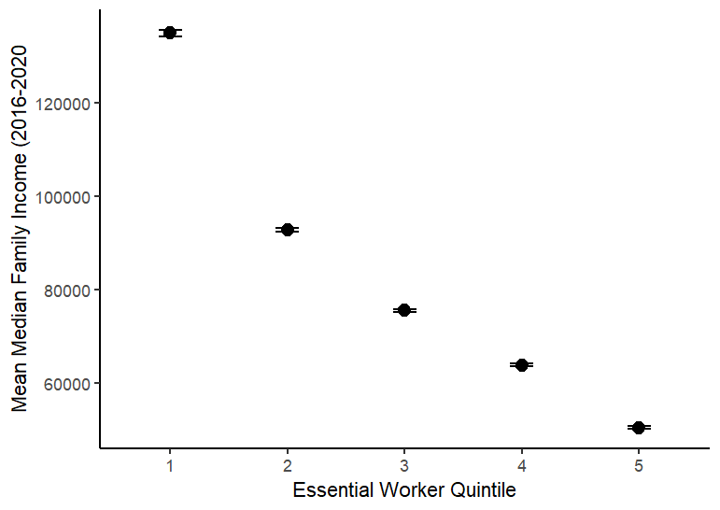
 |  |  |  |  |  |  |  |  |  | EWRKR_quintile mean se `95% Confint.`
 |  |  |  |  |  |  |  |  |  | <int> <dbl> <dbl> <chr>
 |  |  |  |  |  |  |  |  |  | 1 1 134939 355 (134243.2, 135634.8)
 |  |  |  |  |  |  |  |  |  | 2 2 92808 214 (92388.56, 93227.44)
 |  |  |  |  |  |  |  |  |  | 3 3 75502 169 (75170.76, 75833.24)
 |  |  |  |  |  |  |  |  |  | 4 4 63893 145 (63608.8, 64177.2)
 |  |  |  |  |  |  |  |  |  | 5 5 50493 133 (50232.32, 50753.68)

Metropolitan Regions (RUCA4 == 1) T Test Comparisons

Outcome | Q1_Mean | Q1_SD | Q5_Mean | Q5_SD | Mean_Difference | t | df | p_value
COUNT_TRI_FACILITIES | 0.12361544581 | 0.56511698724 | 0.28370830101 | 0.93348825459 | -0.1600928552 | -17.149359551 | 20093.711794 | 1.86E-65
den_totalfoodstores | 0.42194547926 | 2.0536295914 | 0.6415974704 | 8.9784356185 | -0.21965199114 | -2.7216423472 | 13952.525605 | 0.0065039006352
den_allphysicians | 1.8711665709 | 7.3388398731 | 0.96783808583 | 11.389189581 | 0.90332848503 | 7.8148389817 | 20936.336956 | 5.76E-15
den_mentalhealthphys | 0.055658010901 | 0.24545603392 | 0.010071669395 | 0.090832748009 | 0.045586341506 | 21.914512683 | 21678.56012 | 2.63E-105
den_mentalhealthpractitioners | 0.25751412316 | 1.200773527 | 0.038717750882 | 0.48962538269 | 0.21879637228 | 21.16784946 | 22678.011762 | 1.70E-98
den_pharmacies | 0.2234499216 | 0.8100076616 | 0.26417344867 | 8.8214057644 | -0.040723527078 | -0.52232931756 | 13057.480183 | 0.60144992099
den_allrescarefacilities | 0.26520866631 | 2.8829328172 | 0.19802273575 | 0.81437406641 | 0.067185930565 | 2.8389220579 | 19560.003171 | 0.0045312854932
den_conveniencestores | 0.15838899218 | 2.698815547 | 0.40088264335 | 17.631608872 | -0.24249365117 | -1.5470654671 | 13362.99544 | 0.12187114062
den_dollarstores | 0.026243128552 | 0.098796901297 | 0.14159386944 | 0.47118330428 | -0.11535074089 | -27.32153159 | 13781.994269 | 4.17E-160
PROP_PARK_AREA_TRACT | 0.06267997553 | 0.10862816302 | 0.030711155923 | 0.069973777395 | 0.031968819607 | 30.297262481 | 28000.376235 | 1.99E-198

Demographic Indicators Summary
EWRKR_quintile | n | median_income | sd_income | poverty | sd_poverty | bachelors | sd_bachelors | homeownership | sd_homeownership | nh_white | nh_black | hispanic | age_under18 | age_70plus | single_parent | pop_density | sd_density
1 | 16875 | 134938.61097 | 46168.592469 | 0.075926803698 | 0.082227678179 | 0.6015112484 | 0.14880373087 | 0.66804687284 | 0.25960566163 | 0.68124271247 | 0.072876896889 | 0.10431583724 | 0.19946514659 | 0.11471918399 | 0.083028164957 | 7693.300098 | 15792.97818
2 | 16875 | 92808.070957 | 27766.191129 | 0.10077842489 | 0.094508819469 | 0.38520232573 | 0.11611959912 | 0.69300961345 | 0.22346888532 | 0.67712426284 | 0.094824752577 | 0.13420922982 | 0.20697107074 | 0.11990244187 | 0.1113213226 | 4372.5320233 | 9406.3674488
3 | 16875 | 75501.585503 | 21893.614205 | 0.12920325495 | 0.099199733867 | 0.27143972084 | 0.096844019936 | 0.67371685239 | 0.21093518961 | 0.6513879734 | 0.11489083894 | 0.1545144738 | 0.21445919443 | 0.11786580422 | 0.13604207837 | 4029.4046478 | 9582.6823007
4 | 16874 | 63893.154635 | 18840.396964 | 0.16507492202 | 0.10978823116 | 0.20071684425 | 0.081675605074 | 0.638402614 | 0.21601221026 | 0.59546623391 | 0.14527608503 | 0.18644661458 | 0.22238720465 | 0.11368942847 | 0.16164093036 | 4290.4273542 | 9976.8123465
5 | 16874 | 50493.463005 | 17264.705468 | 0.2373251292 | 0.1348346865 | 0.12956212403 | 0.072017209816 | 0.53938851787 | 0.2336971811 | 0.40950097983 | 0.21626566435 | 0.31225736657 | 0.245240087 | 0.098808273218 | 0.21552538305 | 6318.4082558 | 12869.819982

Pearson Correlation
Pearson Correlation Coefficients between EWRKR_PROP (which is grouped into quintiles) and Key Neighborhood Characteristics

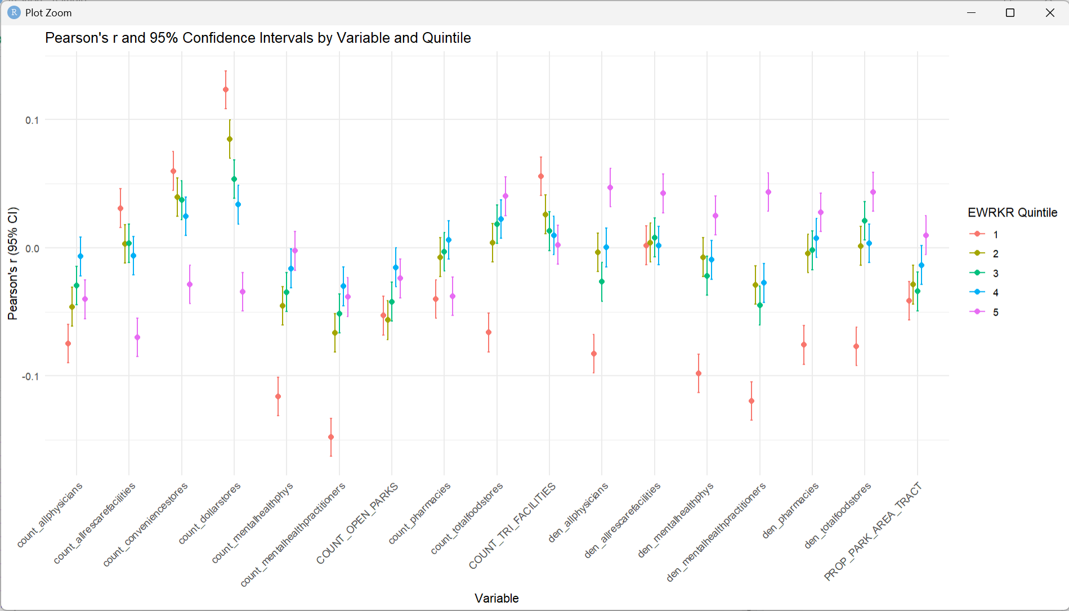
EWRKR Quintile (1 is lowest EWRKR_PROP) | Variable | Pearson (r) | Conf.Low | Conf.High
5 | COUNT_TRI_FACILITIES | 0.002303 | -0.01279 | 0.017391
4 | COUNT_TRI_FACILITIES | 0.00965 | -0.00544 | 0.024735
3 | COUNT_TRI_FACILITIES | 0.013047 | -0.00204 | 0.02813
2 | COUNT_TRI_FACILITIES | 0.026029 | 0.010945 | 0.0411
1 | COUNT_TRI_FACILITIES | 0.055815 | 0.040761 | 0.070843

1 | count_allphysicians | -0.07484 | -0.08983 | -0.05982
2 | count_allphysicians | -0.04596 | -0.06101 | -0.0309
5 | count_allphysicians | -0.04018 | -0.05524 | -0.02511
3 | count_allphysicians | -0.02946 | -0.04453 | -0.01438
4 | count_allphysicians | -0.00676 | -0.02184 | 0.008332

5 | count_allrescarefacilities | -0.06988 | -0.08488 | -0.05485
4 | count_allrescarefacilities | -0.00611 | -0.0212 | 0.008975
2 | count_allrescarefacilities | 0.003006 | -0.01208 | 0.018093
3 | count_allrescarefacilities | 0.003499 | -0.01159 | 0.018586
1 | count_allrescarefacilities | 0.030889 | 0.015808 | 0.045955

5 | count_conveniencestores | -0.02866 | -0.04373 | -0.01358
4 | count_conveniencestores | 0.024556 | 0.009471 | 0.03963
3 | count_conveniencestores | 0.037169 | 0.022094 | 0.052228
2 | count_conveniencestores | 0.039577 | 0.024504 | 0.054633
1 | count_conveniencestores | 0.059948 | 0.044901 | 0.074968

5 | count_dollarstores | -0.03439 | -0.04945 | -0.01931
4 | count_dollarstores | 0.033596 | 0.018516 | 0.048659
3 | count_dollarstores | 0.053608 | 0.038551 | 0.068641
2 | count_dollarstores | 0.084911 | 0.069912 | 0.099871
1 | count_dollarstores | 0.123322 | 0.108436 | 0.138153

1 | count_mentalhealthphys | -0.11598 | -0.13084 | -0.10107
2 | count_mentalhealthphys | -0.04536 | -0.0604 | -0.03029
3 | count_mentalhealthphys | -0.03459 | -0.04966 | -0.01952
4 | count_mentalhealthphys | -0.01608 | -0.03116 | -0.00099
5 | count_mentalhealthphys | -0.00237 | -0.01746 | 0.012715

1 | count_mentalhealthpractitioners | -0.14779 | -0.16251 | -0.13299
2 | count_mentalhealthpractitioners | -0.06643 | -0.08143 | -0.05139
3 | count_mentalhealthpractitioners | -0.05133 | -0.06636 | -0.03627
5 | count_mentalhealthpractitioners | -0.03846 | -0.05351 | -0.02338
4 | count_mentalhealthpractitioners | -0.03004 | -0.04511 | -0.01496

1 | count_pharmacies | -0.03997 | -0.05502 | -0.0249
5 | count_pharmacies | -0.03779 | -0.05285 | -0.02272
2 | count_pharmacies | -0.00742 | -0.0225 | 0.007671
3 | count_pharmacies | -0.00309 | -0.01818 | 0.012
4 | count_pharmacies | 0.006054 | -0.00904 | 0.021141

1 | count_totalfoodstores | -0.06612 | -0.08113 | -0.05109
2 | count_totalfoodstores | 0.003992 | -0.0111 | 0.019079
3 | count_totalfoodstores | 0.01849 | 0.003403 | 0.033569
4 | count_totalfoodstores | 0.022452 | 0.007366 | 0.037528
5 | count_totalfoodstores | 0.040194 | 0.025121 | 0.055249

1 | den_allphysicians | -0.08272 | -0.09768 | -0.06771
3 | den_allphysicians | -0.02659 | -0.04166 | -0.01151
2 | den_allphysicians | -0.00355 | -0.01864 | 0.011538
4 | den_allphysicians | 0.000235 | -0.01485 | 0.015324
5 | den_allphysicians | 0.046915 | 0.031847 | 0.061962

4 | den_allrescarefacilities | 0.001762 | -0.01333 | 0.01685
1 | den_allrescarefacilities | 0.001848 | -0.01324 | 0.016936
2 | den_allrescarefacilities | 0.004063 | -0.01103 | 0.01915
3 | den_allrescarefacilities | 0.007981 | -0.00711 | 0.023066
5 | den_allrescarefacilities | 0.042494 | 0.027421 | 0.057548

1 | den_mentalhealthphys | -0.09814 | -0.11306 | -0.08318
3 | den_mentalhealthphys | -0.02182 | -0.0369 | -0.00674
4 | den_mentalhealthphys | -0.0094 | -0.02448 | 0.00569
2 | den_mentalhealthphys | -0.00732 | -0.0224 | 0.00777
5 | den_mentalhealthphys | 0.025124 | 0.010038 | 0.0402

1 | den_mentalhealthpractitioners | -0.11971 | -0.13456 | -0.10481
3 | den_mentalhealthpractitioners | -0.04499 | -0.06003 | -0.02992
2 | den_mentalhealthpractitioners | -0.02912 | -0.04419 | -0.01404
4 | den_mentalhealthpractitioners | -0.02739 | -0.04246 | -0.0123
5 | den_mentalhealthpractitioners | 0.043552 | 0.02848 | 0.058604

1 | den_pharmacies | -0.07582 | -0.09081 | -0.0608
2 | den_pharmacies | -0.00443 | -0.01951 | 0.010663
3 | den_pharmacies | -0.00199 | -0.01708 | 0.013097
4 | den_pharmacies | 0.007619 | -0.00747 | 0.022705
5 | den_pharmacies | 0.027614 | 0.012528 | 0.042687

1 | den_totalfoodstores | -0.0771 | -0.09208 | -0.06209
2 | den_totalfoodstores | 0.001472 | -0.01362 | 0.01656
4 | den_totalfoodstores | 0.003547 | -0.01154 | 0.018634
3 | den_totalfoodstores | 0.021027 | 0.005941 | 0.036104
5 | den_totalfoodstores | 0.043665 | 0.028593 | 0.058717

2 | COUNT_OPEN_PARKS | -0.0564 | -0.0715 | -0.0413
1 | COUNT_OPEN_PARKS | -0.0529 | -0.068 | -0.0378
3 | COUNT_OPEN_PARKS | -0.042 | -0.0572 | -0.0269
5 | COUNT_OPEN_PARKS | -0.0238 | -0.0391 | -0.0086
4 | COUNT_OPEN_PARKS | -0.0153 | -0.0305 | -0.000102

